01_Aerodynamics
 |  |  |  |  |  |  |  |  |  |  |  |  |  |  |  |  | Per Tesi (XX * 1.06)
Provisional maps, from 4th WT session (60% model scale) + compensation for car build spec and rolling resistance offset |  |  |  |  |  |  |  | 0deg Roll |  |  |  |  | 0deg Yaw |  |  |  | 0deg Roll |  |  |  |  | 0deg Yaw

CX | Rear RH |  |  |  |  |  |  | CX | Rear RH |  |  |  |  |  |  |  | CX | Rear RH
Front RH | 30 | 40 | 50 | 60 | 70 | 80 | 90 | Front RH | 30 | 40 | 50 | 60 | 70 | 80 | 90 | 100 | Front RH | 30 | 40 | 50 | 60 | 70 | 80 | 90 | 100
30 | 0.991 | 1.021 | 1.052 | 1.079 | 1.105 | 1.117 | 1.140 | 30 | 1.030 | 1.049 | 1.072 | 1.098 | 1.122 | 1.143 | 1.161 | 1.173 | 30 | 1.092 | 1.112 | 1.137 | 1.163 | 1.189 | 1.212 | 1.230 | 1.243
40 | 0.999 | 1.042 | 1.067 | 1.084 | 1.101 | 1.116 | 1.145 | 40 | 1.032 | 1.053 | 1.076 | 1.099 | 1.119 | 1.138 | 1.155 | 1.169 | 40 | 1.094 | 1.116 | 1.141 | 1.165 | 1.187 | 1.206 | 1.224 | 1.239
50 | 0.999 | 1.046 | 1.075 | 1.094 | 1.118 | 1.137 | 1.155 | 50 | 1.036 | 1.059 | 1.083 | 1.104 | 1.122 | 1.138 | 1.153 | 1.166 | 50 | 1.098 | 1.123 | 1.148 | 1.170 | 1.189 | 1.206 | 1.222 | 1.236
60 | 0.998 | 1.041 | 1.069 | 1.093 | 1.115 | 1.135 | 1.156 | 60 | 1.038 | 1.062 | 1.086 | 1.107 | 1.125 | 1.140 | 1.154 | 1.166 | 60 | 1.100 | 1.126 | 1.151 | 1.173 | 1.192 | 1.208 | 1.223 | 1.236
70 | 0.990 | 1.036 | 1.067 | 1.093 | 1.114 | 1.134 | 1.156 | 70 | 1.036 | 1.059 | 1.082 | 1.103 | 1.122 | 1.138 | 1.152 | 1.163 | 70 | 1.099 | 1.122 | 1.147 | 1.169 | 1.189 | 1.206 | 1.221 | 1.232
 |  |  |  |  |  |  |  | 80 | 1.036 | 1.054 | 1.074 | 1.094 | 1.112 | 1.129 | 1.144 | 1.154 | 80 | 1.098 | 1.117 | 1.138 | 1.159 | 1.179 | 1.197 | 1.213 | 1.224
AB | Rear RH
Front RH | 30 | 40 | 50 | 60 | 70 | 80 | 90 | CZ Front | Rear RH |  |  |  |  |  |  |  | CZ Front | Rear RH
30 | 46.2% | 47.6% | 49.2% | 50.7% | 52.5% | 53.9% | 55.2% | Front RH | 30 | 40 | 50 | 60 | 70 | 80 | 90 | 100 | Front RH | 30 | 40 | 50 | 60 | 70 | 80 | 90 | 100
40 | 41.4% | 41.8% | 43.5% | 45.8% | 47.7% | 49.4% | 51.3% | 30 | 1.810 | 1.944 | 2.085 | 2.222 | 2.350 | 2.466 | 2.560 | 2.619 | 30 | 1.919 | 2.061 | 2.210 | 2.355 | 2.491 | 2.614 | 2.714 | 2.776
50 | 37.3% | 37.1% | 39.7% | 42.4% | 44.4% | 45.9% | 47.2% | 40 | 1.550 | 1.679 | 1.816 | 1.952 | 2.082 | 2.206 | 2.319 | 2.406 | 40 | 1.643 | 1.779 | 1.925 | 2.069 | 2.207 | 2.339 | 2.458 | 2.551
60 | 31.5% | 32.1% | 35.0% | 38.1% | 40.4% | 42.2% | 44.0% | 50 | 1.282 | 1.413 | 1.554 | 1.690 | 1.813 | 1.926 | 2.029 | 2.114 | 50 | 1.359 | 1.498 | 1.648 | 1.791 | 1.922 | 2.042 | 2.151 | 2.240
70 | 25.5% | 27.3% | 30.4% | 33.3% | 36.0% | 38.3% | 40.5% | 60 | 1.016 | 1.145 | 1.292 | 1.433 | 1.559 | 1.667 | 1.759 | 1.832 | 60 | 1.077 | 1.214 | 1.369 | 1.519 | 1.652 | 1.767 | 1.865 | 1.942
 |  |  |  |  |  |  |  | 70 | 0.774 | 0.875 | 1.007 | 1.147 | 1.278 | 1.395 | 1.494 | 1.569 | 70 | 0.820 | 0.927 | 1.067 | 1.216 | 1.355 | 1.479 | 1.583 | 1.664
CZ tot | Rear RH |  |  |  |  |  |  | 80 | 0.614 | 0.659 | 0.746 | 0.858 | 0.982 | 1.106 | 1.220 | 1.315 | 80 | 0.651 | 0.698 | 0.790 | 0.910 | 1.041 | 1.172 | 1.294 | 1.394
Front RH | 30 | 40 | 50 | 60 | 70 | 80 | 90
30 | 3.671 | 3.882 | 4.027 | 4.168 | 4.269 | 4.394 | 4.545 | CZ Rear | Rear RH |  |  |  |  |  |  |  | CZ Rear | Rear RH
40 | 3.300 | 3.706 | 3.839 | 3.860 | 3.971 | 4.132 | 4.255 | Front RH | 30 | 40 | 50 | 60 | 70 | 80 | 90 | 100 | Front RH | 30 | 40 | 50 | 60 | 70 | 80 | 90 | 100
50 | 2.908 | 3.467 | 3.606 | 3.650 | 3.760 | 3.881 | 3.988 | 30 | 2.042 | 2.086 | 2.138 | 2.191 | 2.228 | 2.234 | 2.198 | 2.122 | 30 | 2.164 | 2.211 | 2.266 | 2.322 | 2.362 | 2.368 | 2.330 | 2.249
60 | 2.662 | 3.211 | 3.359 | 3.444 | 3.577 | 3.699 | 3.793 | 40 | 2.067 | 2.112 | 2.165 | 2.220 | 2.259 | 2.261 | 2.213 | 2.118 | 40 | 2.191 | 2.239 | 2.295 | 2.353 | 2.394 | 2.397 | 2.346 | 2.245
70 | 2.397 | 2.961 | 3.145 | 3.255 | 3.349 | 3.484 | 3.592 | 50 | 2.128 | 2.172 | 2.224 | 2.277 | 2.313 | 2.307 | 2.241 | 2.118 | 50 | 2.256 | 2.303 | 2.357 | 2.414 | 2.452 | 2.445 | 2.375 | 2.245
 |  |  |  |  |  |  |  | 60 | 2.189 | 2.227 | 2.270 | 2.317 | 2.346 | 2.331 | 2.249 | 2.104 | 60 | 2.320 | 2.360 | 2.407 | 2.456 | 2.487 | 2.470 | 2.384 | 2.230
CZ Front | Rear RH |  |  |  |  |  |  | 70 | 2.209 | 2.238 | 2.272 | 2.312 | 2.337 | 2.319 | 2.234 | 2.084 | 70 | 2.342 | 2.372 | 2.409 | 2.450 | 2.477 | 2.458 | 2.368 | 2.209
Front RH | 30 | 40 | 50 | 60 | 70 | 80 | 90 | 80 | 2.179 | 2.203 | 2.235 | 2.274 | 2.303 | 2.291 | 2.218 | 2.081 | 80 | 2.309 | 2.335 | 2.369 | 2.411 | 2.441 | 2.429 | 2.351 | 2.206
30 | 1.696 | 1.847 | 1.980 | 2.113 | 2.243 | 2.370 | 2.508
40 | 1.366 | 1.549 | 1.668 | 1.767 | 1.894 | 2.042 | 2.181 | Cz Tot | Rear RH
50 | 1.084 | 1.285 | 1.430 | 1.547 | 1.668 | 1.783 | 1.882 | Front RH | 30 | 40 | 50 | 60 | 70 | 80 | 90 | 100
60 | 0.838 | 1.031 | 1.177 | 1.312 | 1.445 | 1.562 | 1.670 | 30 | 3.852 | 4.030 | 4.223 | 4.413 | 4.579 | 4.700 | 4.758 | 4.741
70 | 0.611 | 0.808 | 0.955 | 1.083 | 1.204 | 1.335 | 1.456 | 40 | 3.617 | 3.791 | 3.982 | 4.172 | 4.341 | 4.468 | 4.532 | 4.524
 |  |  |  |  |  |  |  | 50 | 3.410 | 3.585 | 3.778 | 3.967 | 4.126 | 4.233 | 4.270 | 4.232
CZ Rear | Rear RH |  |  |  |  |  |  | 60 | 3.205 | 3.372 | 3.562 | 3.750 | 3.905 | 3.997 | 4.008 | 3.936
Front RH | 30 | 40 | 50 | 60 | 70 | 80 | 90 | 70 | 2.983 | 3.112 | 3.279 | 3.459 | 3.616 | 3.714 | 3.727 | 3.653
30 | 1.975 | 2.035 | 2.047 | 2.055 | 2.026 | 2.024 | 2.037 | 80 | 2.793 | 2.862 | 2.981 | 3.133 | 3.285 | 3.397 | 3.438 | 3.396
40 | 1.934 | 2.157 | 2.171 | 2.093 | 2.077 | 2.090 | 2.074
50 | 1.824 | 2.182 | 2.176 | 2.103 | 2.092 | 2.098 | 2.106 | AB | Rear RH
60 | 1.824 | 2.180 | 2.182 | 2.132 | 2.132 | 2.137 | 2.123 | Front RH | 30 | 40 | 50 | 60 | 70 | 80 | 90 | 100
70 | 1.786 | 2.153 | 2.190 | 2.172 | 2.145 | 2.149 | 2.136 | 30 | 0.470 | 0.482 | 0.494 | 0.504 | 0.513 | 0.525 | 0.538 | 0.552
 |  |  |  |  |  |  |  | 40 | 0.429 | 0.443 | 0.456 | 0.468 | 0.480 | 0.494 | 0.512 | 0.532
 |  |  |  |  |  |  |  | 50 | 0.376 | 0.394 | 0.411 | 0.426 | 0.439 | 0.455 | 0.475 | 0.500
 |  |  |  |  |  |  |  | 60 | 0.317 | 0.340 | 0.363 | 0.382 | 0.399 | 0.417 | 0.439 | 0.465
 |  |  |  |  |  |  |  | 70 | 0.259 | 0.281 | 0.307 | 0.332 | 0.354 | 0.376 | 0.401 | 0.430
 |  |  |  |  |  |  |  | 80 | 0.220 | 0.230 | 0.250 | 0.274 | 0.299 | 0.326 | 0.355 | 0.387

Cz Front vs RRH
 | 30 | 40 | 50 | 60 | 70 | 80
30 | 1.8101191211 | 1.5501944838 | 1.2821818015 | 1.0164606024 | 0.77380995084 | 0.61395153874
40 | 1.9444399956 | 1.6787490303 | 1.4128829245 | 1.1448902665 | 0.8747950614 | 0.65871567775
50 | 2.0847558523 | 1.8164214237 | 1.5544115429 | 1.2915402433 | 1.007024746 | 0.7456526106
60 | 2.2219646137 | 1.9523195633 | 1.6898910612 | 1.4332972161 | 1.1467690064 | 0.85818825431
70 | 2.3503548841 | 2.0824064856 | 1.8132125609 | 1.5586282551 | 1.278333782 | 0.98195113226
80 | 2.4656376705 | 2.2062051652 | 1.9262021557 | 1.6666923695 | 1.3949608595 | 1.1059229448
90 | 2.5600189727 | 2.3189967838 | 2.0292718701 | 1.7590421566 | 1.4935485588 | 1.2202830696
100 | 2.6190354152 | 2.4063701372 | 2.1136784868 | 1.8317439124 | 1.569385479 | 1.3150460653
Cz Rear vs RRH
 | 30 | 40 | 50 | 60 | 70 | 80
30 | 2.041759278 | 2.0672036465 | 2.1280185021 | 2.1885816156 | 2.2090093914 | 2.1786168085
40 | 2.0857549725 | 2.111884022 | 2.1723567949 | 2.226642501 | 2.2376894578 | 2.2029836258
50 | 2.1379307137 | 2.1651594134 | 2.2239376646 | 2.2704856641 | 2.272316129 | 2.2351093568
60 | 2.1905731896 | 2.2198932885 | 2.2770241054 | 2.3167534137 | 2.3117664655 | 2.2744157456
70 | 2.2284247975 | 2.2589520335 | 2.312953536 | 2.3462404956 | 2.3372180024 | 2.3028719707
80 | 2.234343877 | 2.2613359374 | 2.3066501901 | 2.3306131643 | 2.3188600838 | 2.2914849695
90 | 2.1979288837 | 2.2132846485 | 2.2406650732 | 2.2490735929 | 2.2338448398 | 2.2175429473
100 | 2.1219550388 | 2.117538204 | 2.1178714694 | 2.1041970251 | 2.0837448741 | 2.0813781662

Cx Rear vs RRH
 | 30 | 40 | 50 | 60 | 70 | 80
30 | 1.0301230593 | 1.0321443739 | 1.0359479117 | 1.0376206996 | 1.0364775989 | 1.0357246918
40 | 1.0486652192 | 1.0528991798 | 1.0591508706 | 1.0618649398 | 1.0589379124 | 1.0539143913
50 | 1.0722025125 | 1.0760943709 | 1.082719971 | 1.085889389 | 1.0819375757 | 1.0737782402
60 | 1.0975615637 | 1.0987975407 | 1.1038456261 | 1.1069769079 | 1.1030719132 | 1.0935207473
70 | 1.1218513652 | 1.1194877727 | 1.121896491 | 1.1246445326 | 1.121596939 | 1.1121949482
80 | 1.1432153954 | 1.1381052775 | 1.1379356301 | 1.1399723799 | 1.137839706 | 1.1292756821
90 | 1.1606065503 | 1.1548957651 | 1.1529917705 | 1.1538670046 | 1.1518767501 | 1.1438681112
100 | 1.1729866078 | 1.1690172499 | 1.1664074279 | 1.1655957661 | 1.1625658789 | 1.1542953268
AB vs RRH
 | 30 | 40 | 50 | 60 | 70 | 80
30 | 0.46993153303 | 0.42853853183 | 0.37598430806 | 0.31714421629 | 0.25942233238 | 0.21985192926
40 | 0.48246797264 | 0.44286772345 | 0.39408325106 | 0.3395756012 | 0.28106005219 | 0.2301834008
50 | 0.49370366938 | 0.45620608949 | 0.41139965037 | 0.36258586458 | 0.30708144849 | 0.25015503377
60 | 0.50355707141 | 0.46793383576 | 0.42599626919 | 0.38220743067 | 0.33157647672 | 0.27395363548
70 | 0.51331469246 | 0.47966701585 | 0.43944245537 | 0.39914997266 | 0.35356533615 | 0.29893577264
80 | 0.52460581932 | 0.49382985283 | 0.45506008676 | 0.41695395946 | 0.37561338601 | 0.3255196234
90 | 0.53805107789 | 0.51166213273 | 0.47524633198 | 0.4388700992 | 0.40069517732 | 0.35495777378
100 | 0.55242368458 | 0.53192283215 | 0.49950455712 | 0.46538907506 | 0.42960018595 | 0.38718545614

01_Aerodynamics2
4th WT session (60% model scale) + offset for car build spec and rolling resistance |  |  |  |  |  |  |  | AERO HOMOLOGATION - MAXIMUM FRONT FLAP (+4.5deg) - REMOVE 5% Czf at flap 0

0deg Roll |  |  |  |  | 0deg Yaw |  |  | 0deg Roll |  |  |  |  | 0deg Yaw

CX | Rear RH |  |  |  |  |  |  | CX | Rear RH
Front RH | 30 | 40 | 50 | 60 | 70 | 80 | 90 | Front RH | 30 | 40 | 50 | 60 | 70 | 80 | 90 | 100
30 | 0.991 | 1.021 | 1.052 | 1.079 | 1.105 | 1.117 | 1.140 | 30 | 1.030 | 1.049 | 1.072 | 1.098 | 1.122 | 1.143 | 1.161 | 1.173
40 | 0.999 | 1.042 | 1.067 | 1.084 | 1.101 | 1.116 | 1.145 | 40 | 1.032 | 1.053 | 1.076 | 1.099 | 1.119 | 1.138 | 1.155 | 1.169
50 | 0.999 | 1.046 | 1.075 | 1.094 | 1.118 | 1.137 | 1.155 | 50 | 1.036 | 1.059 | 1.083 | 1.104 | 1.122 | 1.138 | 1.153 | 1.166
60 | 0.998 | 1.041 | 1.069 | 1.093 | 1.115 | 1.135 | 1.156 | 60 | 1.038 | 1.062 | 1.086 | 1.107 | 1.125 | 1.140 | 1.154 | 1.166
70 | 0.990 | 1.036 | 1.067 | 1.093 | 1.114 | 1.134 | 1.156 | 70 | 1.036 | 1.059 | 1.082 | 1.103 | 1.122 | 1.138 | 1.152 | 1.163
 |  |  |  |  |  |  |  | 80 | 1.036 | 1.054 | 1.074 | 1.094 | 1.112 | 1.129 | 1.144 | 1.154

CZ Front | Rear RH |  |  |  |  |  |  | CZ Front | Rear RH
Front RH | 30 | 40 | 50 | 60 | 70 | 80 | 90 | Front RH | 30 | 40 | 50 | 60 | 70 | 80 | 90 | 100
30 | 1.696 | 1.847 | 1.980 | 2.113 | 2.243 | 2.370 | 2.508 | 30 | 1.810 | 1.944 | 2.085 | 2.222 | 2.350 | 2.466 | 2.560 | 2.619
40 | 1.366 | 1.549 | 1.668 | 1.767 | 1.894 | 2.042 | 2.181 | 40 | 1.550 | 1.679 | 1.816 | 1.952 | 2.082 | 2.206 | 2.319 | 2.406
50 | 1.084 | 1.285 | 1.430 | 1.547 | 1.668 | 1.783 | 1.882 | 50 | 1.282 | 1.413 | 1.554 | 1.690 | 1.813 | 1.926 | 2.029 | 2.114
60 | 0.838 | 1.031 | 1.177 | 1.312 | 1.445 | 1.562 | 1.670 | 60 | 1.016 | 1.145 | 1.292 | 1.433 | 1.559 | 1.667 | 1.759 | 1.832
70 | 0.611 | 0.808 | 0.955 | 1.083 | 1.204 | 1.335 | 1.456 | 70 | 0.774 | 0.875 | 1.007 | 1.147 | 1.278 | 1.395 | 1.494 | 1.569
 |  |  |  |  |  |  |  | 80 | 0.614 | 0.659 | 0.746 | 0.858 | 0.982 | 1.106 | 1.220 | 1.315

CZ Rear | Rear RH |  |  |  |  |  |  | CZ Rear | Rear RH
Front RH | 30 | 40 | 50 | 60 | 70 | 80 | 90 | Front RH | 30 | 40 | 50 | 60 | 70 | 80 | 90 | 100
30 | 1.975 | 2.035 | 2.047 | 2.055 | 2.026 | 2.024 | 2.037 | 30 | 2.042 | 2.086 | 2.138 | 2.191 | 2.228 | 2.234 | 2.198 | 2.122
40 | 1.934 | 2.157 | 2.171 | 2.093 | 2.077 | 2.090 | 2.074 | 40 | 2.067 | 2.112 | 2.165 | 2.220 | 2.259 | 2.261 | 2.213 | 2.118
50 | 1.824 | 2.182 | 2.176 | 2.103 | 2.092 | 2.098 | 2.106 | 50 | 2.128 | 2.172 | 2.224 | 2.277 | 2.313 | 2.307 | 2.241 | 2.118
60 | 1.824 | 2.180 | 2.182 | 2.132 | 2.132 | 2.137 | 2.123 | 60 | 2.189 | 2.227 | 2.270 | 2.317 | 2.346 | 2.331 | 2.249 | 2.104
70 | 1.786 | 2.153 | 2.190 | 2.172 | 2.145 | 2.149 | 2.136 | 70 | 2.209 | 2.238 | 2.272 | 2.312 | 2.337 | 2.319 | 2.234 | 2.084
 |  |  |  |  |  |  |  | 80 | 2.179 | 2.203 | 2.235 | 2.274 | 2.303 | 2.291 | 2.218 | 2.081

CZ tot | Rear RH |  |  |  |  |  |  | Cz Tot | Rear RH
Front RH | 30 | 40 | 50 | 60 | 70 | 80 | 90 | Front RH | 30 | 40 | 50 | 60 | 70 | 80 | 90 | 100
30 | 3.671 | 3.882 | 4.027 | 4.168 | 4.269 | 4.394 | 4.545 | 30 | 3.852 | 4.030 | 4.223 | 4.413 | 4.579 | 4.700 | 4.758 | 4.741
40 | 3.300 | 3.706 | 3.839 | 3.860 | 3.971 | 4.132 | 4.255 | 40 | 3.617 | 3.791 | 3.982 | 4.172 | 4.341 | 4.468 | 4.532 | 4.524
50 | 2.908 | 3.467 | 3.606 | 3.650 | 3.760 | 3.881 | 3.988 | 50 | 3.410 | 3.585 | 3.778 | 3.967 | 4.126 | 4.233 | 4.270 | 4.232
60 | 2.662 | 3.211 | 3.359 | 3.444 | 3.577 | 3.699 | 3.793 | 60 | 3.205 | 3.372 | 3.562 | 3.750 | 3.905 | 3.997 | 4.008 | 3.936
70 | 2.397 | 2.961 | 3.145 | 3.255 | 3.349 | 3.484 | 3.592 | 70 | 2.983 | 3.112 | 3.279 | 3.459 | 3.616 | 3.714 | 3.727 | 3.653
 |  |  |  |  |  |  |  | 80 | 2.793 | 2.862 | 2.981 | 3.133 | 3.285 | 3.397 | 3.438 | 3.396

AB | Rear RH |  |  |  |  |  |  | AB | Rear RH
Front RH | 30 | 40 | 50 | 60 | 70 | 80 | 90 | Front RH | 30 | 40 | 50 | 60 | 70 | 80 | 90 | 100
30 | 46.2% | 47.6% | 49.2% | 50.7% | 52.5% | 53.9% | 55.2% | 30 | 0.470 | 0.482 | 0.494 | 0.504 | 0.513 | 0.525 | 0.538 | 0.552
40 | 41.4% | 41.8% | 43.5% | 45.8% | 47.7% | 49.4% | 51.3% | 40 | 0.429 | 0.443 | 0.456 | 0.468 | 0.480 | 0.494 | 0.512 | 0.532
50 | 37.3% | 37.1% | 39.7% | 42.4% | 44.4% | 45.9% | 47.2% | 50 | 0.376 | 0.394 | 0.411 | 0.426 | 0.439 | 0.455 | 0.475 | 0.500
60 | 31.5% | 32.1% | 35.0% | 38.1% | 40.4% | 42.2% | 44.0% | 60 | 0.317 | 0.340 | 0.363 | 0.382 | 0.399 | 0.417 | 0.439 | 0.465
70 | 25.5% | 27.3% | 30.4% | 33.3% | 36.0% | 38.3% | 40.5% | 70 | 0.259 | 0.281 | 0.307 | 0.332 | 0.354 | 0.376 | 0.401 | 0.430
 |  |  |  |  |  |  |  | 80 | 0.220 | 0.230 | 0.250 | 0.274 | 0.299 | 0.326 | 0.355 | 0.387

02_3rd elements
Front |  |  |  |  |  |  |  | Rear |  |  |  |  |  |  |  | For all configurations, end-of-straight (320 km/h) ride heights 38mm, 34mm rear

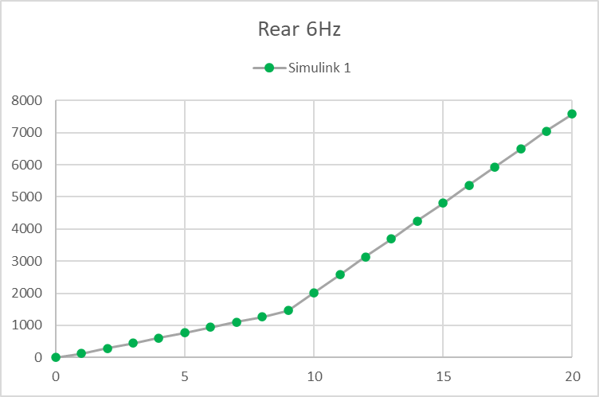
5 Hz |  | 1 dof end of straight frequency |  |  |  |  |  | 4 Hz |  |  |  |  |  |  |  |  |  |  |  |  |  |  |  |  | BASELINE
 |  |  |  |  |  |  |  |  |  |  |  |  |  |  |  | Front 3rd | 5 |  | 5 |  | 5 |  | 7 |  | 7 |  | 7 |  | 9 |  | 9 |  | 9
Coil Spring |  |  |  |  |  |  |  | Coil Spring |  |  |  |  |  |  |  | Rear 3rd | 4 |  | 6 |  | 8 |  | 4 |  | 6 |  | 8 |  | 4 |  | 6 |  | 8
Linear clearance | 4 | mm |  |  |  |  |  | Linear clearance | 4 | mm
Linear | 61 | N/mm |  |  |  |  |  | Linear | 61 | N/mm |  |  |  |  |  | Speed [km/h] | RH | Balance | RH | Balance | RH | Balance | RH | Balance | RH | Balance | RH | Balance | RH | Balance | RH | Balance | RH | Balance
Belleville |  |  |  |  |  |  |  | Belleville |  |  |  |  |  |  |  | 100
Stack # | Type | Series # | Parallels # | Travel (1) | Travel Tot | L0 | Lmin | Stack # | Type | Series # | Parallels # | Travel (1) | Travel Tot | L0 | Lmin | 150
0 | Clearance |  |  |  | 18 | 18 | 0 | 0 | Clearance |  |  |  | 19 | 19 | 0 | 200
1 | 18 0011 | 22 | 1 | 0.450 | 9.900 | 47.3 | 37.4 | 1 | 18 0011 | 16 | 1 | 0.450 | 7.200 | 34.4 | 27.2 | 250
2 | 18 0011 | 22 | 1 | 0.450 | 9.900 | 47.3 | 37.4 | 2 | 18 0029 | 30 | 1 | 0.550 | 16.500 | 93.0 | 76.5 | 300
 |  |  |  |  |  |  |  |  |  |  |  |  |  |  |  | 320
 |  |  |  |  | Tot L | 112.6 | 75 |  |  |  |  |  | Tot L | 146.4 | 104
 |  |  |  |  |  |  |  |  |  |  |  |  |  |  |  | Plots to add:
7 Hz |  |  |  |  |  |  |  | 6 Hz |  |  |  |  |  |  |  | AB vs cornering speed
 |  |  |  |  |  |  |  |  |  |  |  |  |  |  |  | RH vs cornering speed
Coil Spring |  |  |  |  |  |  |  | Coil Spring
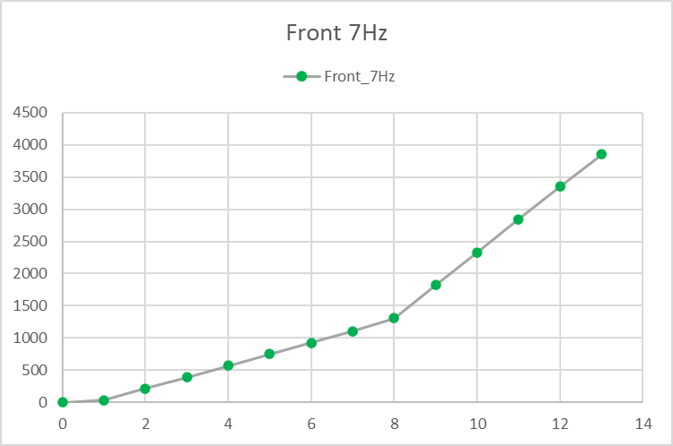
None |  | Tot pack length 127.5 @ setup |  |  |  |  |  | None |  |  | Physical test

Belleville |  |  |  |  |  |  |  | Belleville
Stack # | Type | Series # | Parallels # | Travel (1) | Travel Tot | L0 | Lmin | Stack # | Type | Series # | Parallels # | Travel (1) | Travel Tot | L0 | Lmin
0 | Clearance |  |  |  | 17 | 17 | 0 | 0 | Clearance |  |  |  | 25 | 25 | 0
1 | 18 0011 | 10 | 1 | 0.400 | 4.000 | 21.5 | 17.5 | 1 | 18 0011 | 12 | 1 | 0.450 | 5.400 | 25.8 | 20.4
2 | 18 0029 | 12 | 1 | 0.550 | 6.600 | 37.2 | 30.6 | 2 | 18 0029 | 22 | 2 | 0.550 | 12.100 | 112.2 | 100.1

 |  |  |  |  | Tot L | 75.7 | 48 |  |  |  |  |  | Tot L | 163.0 | 121

9 Hz |  |  |  |  |  |  |  | 8 Hz

Coil Spring |  |  |  |  |  |  |  | Coil Spring
None |  | Physical test |  |  |  |  |  | None

Belleville |  |  |  |  |  |  |  | Belleville
Stack # | Type | Series # | Parallels # | Travel (1) | Travel Tot | L0 | Lmin | Stack # | Type | Series # | Parallels # | Travel (1) | Travel Tot | L0 | Lmin
0 | Clearance |  |  |  | 19 | 19 | 0 | 0 | Clearance |  |  |  | 31 | 31 | 0
1 | 18 0011 | 10 | 1 | 0.300 | 3.000 | 21.5 | 18.5 | 1 | 18 0029 | 10 | 1 | 0.300 | 3.000 | 31.0 | 28.0
2 | 18 0019 | 12 | 2 | 0.530 | 6.360 | 48.6 | 42.2 | 2 | 18 0029 | 6 | 2 | 0.550 | 3.300 | 30.6 | 27.3

 |  |  |  |  | Tot L | 89.1 | 61 |  |  |  |  |  | Tot L | 92.6 | 55

03_Anti-Roll Bars (MNZ)
 |  |  |  |  |  |  |  |  | 1890 |  | 1890 |  | 1890 |  | 1890
 |  |  |  |  |  |  |  | 0.258 | 52.0% | 0.279 | 48.2% | 0.297 | 44.8%
 |  |  |  |  |  |  |  | 0.279 | 48.2% | 0.288 | 46.6%
 |  |  |  |  |  |  |  |  |  | 0.297 | 44.8%
V 1F
 | Front bars [Nm/deg] | 3300 | 2475 | 2165 | 1856 |  | Parameters
 | 1 | 3300 | 2475 |  |  |  | m sprung(+unsprung) | 1140 | kg |  | FRONT | ARB Ground target range [Nm/deg] | Min | Max
 | 2 |  | 2475 |  | 1856 |  | hCG | 0.32 | m |  |  | Front | 990 | 3300 | Target, for info only
 | 3 |  |  |  |  |  | hRC front | 0.025 | m
 | 4 |  |  |  |  |  | hRC rear | 0.095 | m |  |  | Steps gain | 25% | .
 |  |  |  |  |  |  |  |  |  |  |  | Front MR | 8.987 | deg/deg
 | Rear [Nm/deg] | Roll gradient |  |  |  |  | weight balance | 0.45 | -
 |  |  |  |  |  |  | roll arm | 0.257 | m |  |  | Adjustment option | Front at ground |  | Step | At bar | Step | bar1 | bar2 | bar3 | bar4
 | 1890 | 0.258 | 0.279 | 0.288 | 0.297 |  |  |  |  |  |  | 1 | Maximum | 3300 | . | 40.9 | . | 5-5
 |  |  |  |  |  |  | half track front | 0.818 | m |  |  | 2 | - 0% | 2475 | -825 | 30.6 | -10.21 | 1-1 | 5-5
 | 1682 | 0.263 | 0.285 | 0.294 | 0.304 |  | half track rear | 0.805 | m |  |  | 3 | - 0% | 1856 | -619 | 23.0 | -7.66 |  | 1-1 | 5-5
 | 1575 | 0.266 | 0.288 | 0.297 | 0.307 |  |  |  |  |  |  | 4 | - 0% | 1392 | -464 | 17.2 | -5.75 |  |  | 1-1 | 5-5
 | 1401 | 0.270 | 0.293 | 0.303 | 0.313 |  | Front lateral spring | 106 | N/mm | 1100 |  | 5 | - 0% | 1044 | -348 | 12.9 | -4.31 |  |  |  | 1-1
 |  |  |  |  |  |  | Rear lateral spring | 152 | N/mm | 950
 | 1260 | 0.274 | 0.297 | 0.307 | 0.318 |  | Front lat. spr. roll stiffn. | 2475 | Nm/deg |  |  | Bars to be designed (Front) [Nm/deg at the bar]
 | 1121 | 0.278 | 0.302 | 0.312 | 0.323 |  | Rear lat. spr. roll stiffn. | 3437 | Nm/deg |  |  | Bar # | Stiffness in "stiffest blade position" |  |  |  | Stiffness in "softest blade position"
 | 1009 | 0.281 | 0.305 | 0.316 | 0.327 |  |  |  |  |  |  | 1 | 40.9 |  |  |  | 30.6 |  |  |  |  | Available
 |  |  |  |  |  |  |  |  |  |  |  | 2 | 30.6 |  |  |  | 23.0
 | 841 | 0.285 | 0.311 | 0.322 | 0.333 |  | Suspension installation stiffness |  |  |  |  | 3 | 23.0 |  |  |  | 17.2
 | 760 | 0.288 | 0.314 | 0.325 | 0.336 |  | Front | 1.00E+09 | N/mm |  |  | 4 | 17.2 |  |  |  | 12.9
 | 673 | 0.290 | 0.317 | 0.328 | 0.340 |  |  | 23344992889 | Nm/deg
Bars [Nm/deg at ground]
 | Front | Rear
 | 3300
 | 2475 | 1890
 | 2165
 | 1856 | 1682
 |  | 1575
 |  | 1401
 |  | 1260
 |  | 1121
 |  | 1009
 |  | 841
 |  | 760
 |  | 673
 |  | 0
 | 0 | 0.311 | 0.342 | 0.355 | 0.369 |  | Rear | 1.00E+09 | N/mm
 |  |  |  |  |  |  |  | 22608872222 | Nm/deg
 | Rear [Nm/deg] | Elastic roll stiffness balance

 | 1890 | 52.0% | 48.2% | 46.6% | 44.8% |  | 1856: Check

 | 1682 | 53.0% | 49.2% | 47.5% | 45.8%
 | 1575 | 53.5% | 49.7% | 48.1% | 46.4% |  | Current setup | ARB | Roll gradient | Elastic balance
 | 1401 | 54.4% | 50.6% | 49.0% | 47.2% |  | Front
 |  |  |  |  |  |  | Rear
 | 1260 | 55.1% | 51.3% | 49.7% | 48.0% | Green soft
 | 1121 | 55.9% | 52.1% | 50.4% | 48.7% | Blue soft
 | 1009 | 56.5% | 52.7% | 51.1% | 49.3% | Yellow inner |  |  |  |  | REAR | ARB Ground target range [Nm/deg] | Min | Max
 |  |  |  |  |  |  |  |  |  |  |  | Rear | 630 | 2100 | Target, for info only
 | 841 | 57.4% | 53.6% | 52.0% | 50.3%
X | 760 | 57.9% | 54.1% | 52.5% | 50.8% | Brown middle |  |  |  |  |  | Rear MR | 6.073 | deg/deg
 | 673 | 58.4% | 54.6% | 53.0% | 51.3%
 | 608 | 58.8% | 55.0% | 53.4% | 51.7% |  |  |  |  |  |  | Count | Rear at ground |  | Step | At bar | Step | bar1 | bar2 | bar3 | bar4 | bar 5
 |  |  |  |  |  |  |  |  |  |  |  | 1 | Maximum | 2100 | . | 56.9 | . | 1
 |  |  |  |  |  |  |  |  |  |  |  | 2 |  | 1890 | -210 | 51.2 | -5.70 |  | 1
 |  |  |  |  |  |  |  |  |  |  |  | 3 |  | 1750 | -140 | 47.4 | -3.79 | 2
 |  |  |  |  |  |  |  |  |  |  |  | 4 |  | 1682 | -68 | 45.6 | -1.85 |  |  | 1
 |  |  |  |  |  |  |  |  |  |  |  | 5 |  | 1575 | -107 | 42.7 | -2.90 |  | 2
 |  |  |  |  |  |  |  |  |  |  |  | 6 |  | 1401 | -173 | 38.0 | -4.70 |  |  | 2
 |  |  |  |  |  |  |  |  |  |  |  | 7 |  | 1400 | -1 | 38.0 | -0.04 | 3
 |  |  |  |  |  |  |  |  |  |  |  | 8 |  | 1260 | -140 | 34.2 | -3.80 |  | 3
 |  |  |  |  |  |  |  |  |  |  |  | 9 |  | 1121 | -139 | 30.4 | -3.76 |  |  | 3
 |  |  |  |  |  |  |  |  |  |  |  | 10 |  | 1009 | -112 | 27.4 | -3.04 |  |  |  | 1
 |  |  |  |  |  |  |  |  |  |  |  | 11 |  | 912 | -97 | 24.7 | -2.64 |  |  |  |  | 1
 |  |  |  |  |  |  |  |  |  |  |  | 12 |  | 841 | -71 | 22.8 | -1.92 |  |  |  | 2
 |  |  |  |  |  |  |  |  |  |  |  | 13 |  | 760 | -81 | 20.6 | -2.20 |  |  |  |  | 2
 |  |  |  |  |  |  |  |  |  |  |  | 14 |  | 673 | -87 | 18.2 | -2.36 |  |  |  | 3
 |  |  |  |  |  |  |  |  |  |  |  | 15 |  | 608 | -65 | 16.5 | -1.76 |  |  |  |  | 3

 |  |  |  |  |  |  |  |  |  |  |  | Bars to be designed (Rear) [Nm/deg at the bar]
 |  |  |  |  |  |  |  |  |  |  |  | Bar # | Stiffness in "middle drop-link position" |  |  |  |  |  |  |  |  | Available
 |  |  |  |  |  |  |  |  |  |  |  | 1 | 47.4 |  |  |  | ?
 |  |  |  |  |  |  |  |  |  |  |  | 2 | 42.7 |  |  |  | A
 |  |  |  |  |  |  |  |  |  |  |  | 3 | 38.0 |  |  |  | B
 |  |  |  |  |  |  |  |  |  |  |  | 4 | 22.8 |  |  |  | C
 |  |  |  |  |  |  |  |  |  |  |  | 5 | 20.6 |  |  |  | D

03_Anti-Roll Bars (POR) (2)
 |  |  |  |  |  |  |  |  | 1890 |  | 1890 |  | 1890 |  | 1890
 |  |  |  |  |  |  |  | 0.289 | 56.8% | 0.315 | 52.9% | 0.338 | 49.4%
 |  |  |  |  |  |  |  | 0.315 | 52.9% | 0.326 | 51.2%
 |  |  |  |  |  |  |  |  |  | 0.338 | 49.4%
V 1F
 | Front bars [Nm/deg] | 3300 | 2475 | 2165 | 1856 | Parameters
 | 1 | 3300 | 2475 |  |  | m sprung(+unsprung) | 1140 | kg |  | FRONT | ARB Ground target range [Nm/deg] | Min | Max
 | 2 |  | 2475 |  | 1856 | hCG | 0.32 | m |  |  | Front | 990 | 3300 | Target, for info only
 | 3 |  |  |  |  | hRC front | 0.025 | m
 | 4 |  |  |  |  | hRC rear | 0.095 | m |  |  | Steps gain | 25% | .
 |  |  |  |  |  |  |  |  |  |  | Front MR | 8.987 | deg/deg
 | Rear [Nm/deg] | Roll gradient |  |  |  | weight balance | 0.45 | -
 |  |  |  |  |  | roll arm | 0.257 | m |  |  | Adjustment option | Front at ground |  | Step | At bar | Step | bar1 | bar2 | bar3 | bar4
 | 1890 | 0.289 | 0.315 | 0.326 | 0.338 |  |  |  |  |  | 1 | Maximum | 3300 | . | 40.9 | . | 5-5
 |  |  |  |  |  | half track front | 0.818 | m |  |  | 2 | - 0% | 2475 | -825 | 30.6 | -10.21 | 1-1 | 5-5
 | 1682 | 0.295 | 0.323 | 0.334 | 0.347 | half track rear | 0.805 | m |  |  | 3 | - 0% | 1856 | -619 | 23.0 | -7.66 |  | 1-1 | 5-5
 | 1575 | 0.299 | 0.327 | 0.339 | 0.351 |  |  |  |  |  | 4 | - 0% | 1392 | -464 | 17.2 | -5.75 |  |  | 1-1 | 5-5
 | 1401 | 0.304 | 0.333 | 0.346 | 0.359 | Front lateral spring | 100 | N/mm | 1100 |  | 5 | - 0% | 1044 | -348 | 12.9 | -4.31 |  |  |  | 1-1
 |  |  |  |  |  | Rear lateral spring | 106 | N/mm | 950
 | 1260 | 0.309 | 0.339 | 0.352 | 0.366 | Front lat. spr. roll stiffn. | 2334 | Nm/deg |  |  | Bars to be designed (Front) [Nm/deg at the bar]
 | 1121 | 0.313 | 0.344 | 0.358 | 0.372 | Rear lat. spr. roll stiffn. | 2397 | Nm/deg |  |  | Bar # | Stiffness in "stiffest blade position" |  |  |  | Stiffness in "softest blade position"
 | 1009 | 0.317 | 0.349 | 0.363 | 0.378 |  |  |  |  |  | 1 | 40.9 |  |  |  | 30.6 |  |  |  |  | Available
 |  |  |  |  |  |  |  |  |  |  | 2 | 30.6 |  |  |  | 23.0
 | 841 | 0.323 | 0.356 | 0.371 | 0.386 | Suspension installation stiffness |  |  |  |  | 3 | 23.0 |  |  |  | 17.2
 | 760 | 0.326 | 0.360 | 0.375 | 0.390 | Front | 1.00E+09 | N/mm |  |  | 4 | 17.2 |  |  |  | 12.9
 | 673 | 0.330 | 0.364 | 0.379 | 0.395 |  | 23344992889 | Nm/deg
Bars [Nm/deg at ground]
 | Front | Rear
 | 3300
 | 2475 | 1890
 | 2165
 | 1856 | 1682
 |  | 1575
 |  | 1401
 |  | 1260
 |  | 1121
 |  | 1009
 |  | 841
 |  | 760
 |  | 673
 |  | 0
 | 0 | 0.357 | 0.398 | 0.416 | 0.435 | Rear | 1.00E+09 | N/mm
 |  |  |  |  |  |  | 22608872222 | Nm/deg
 | Rear [Nm/deg] | Elastic roll stiffness balance

 | 1890 | 56.8% | 52.9% | 51.2% | 49.4% | 1856: Check

 | 1682 | 58.0% | 54.1% | 52.5% | 50.7%
 | 1575 | 58.7% | 54.8% | 53.1% | 51.3% | Current setup | ARB | Roll gradient | Elastic balance
 | 1401 | 59.7% | 55.9% | 54.2% | 52.5% | Front
 |  |  |  |  |  | Rear
 | 1260 | 60.6% | 56.8% | 55.2% | 53.4%
 | 1121 | 61.6% | 57.8% | 56.1% | 54.4%
 | 1009 | 62.3% | 58.5% | 56.9% | 55.2% |  |  |  |  | REAR | ARB Ground target range [Nm/deg] | Min | Max
 |  |  |  |  |  |  |  |  |  |  | Rear | 630 | 2100 | Target, for info only
 | 841 | 63.5% | 59.8% | 58.2% | 56.4%
 | 760 | 64.1% | 60.4% | 58.8% | 57.0% |  |  |  |  |  | Rear MR | 6.073 | deg/deg
 | 673 | 64.7% | 61.0% | 59.4% | 57.7%
 | 0 | 70.2% | 66.7% | 65.2% | 63.6% |  |  |  |  |  | Count | Rear at ground |  | Step | At bar | Step | bar1 | bar2 | bar3 | bar4 | bar 5
 |  |  |  |  |  |  |  |  |  |  | 1 | Maximum | 2100 | . | 56.9 | . | 1
 |  |  |  |  |  |  |  |  |  |  | 2 |  | 1890 | -210 | 51.2 | -5.70 |  | 1
 |  |  |  |  |  |  |  |  |  |  | 3 |  | 1750 | -140 | 47.4 | -3.79 | 2
 |  |  |  |  |  |  |  |  |  |  | 4 |  | 1682 | -68 | 45.6 | -1.85 |  |  | 1
 |  |  |  |  |  |  |  |  |  |  | 5 |  | 1575 | -107 | 42.7 | -2.90 |  | 2
 |  |  |  |  |  |  |  |  |  |  | 6 |  | 1401 | -173 | 38.0 | -4.70 |  |  | 2
 |  |  |  |  |  |  |  |  |  |  | 7 |  | 1400 | -1 | 38.0 | -0.04 | 3
 |  |  |  |  |  |  |  |  |  |  | 8 |  | 1260 | -140 | 34.2 | -3.80 |  | 3
 |  |  |  |  |  |  |  |  |  |  | 9 |  | 1121 | -139 | 30.4 | -3.76 |  |  | 3
 |  |  |  |  |  |  |  |  |  |  | 10 |  | 1009 | -112 | 27.4 | -3.04 |  |  |  | 1
 |  |  |  |  |  |  |  |  |  |  | 11 |  | 912 | -97 | 24.7 | -2.64 |  |  |  |  | 1
 |  |  |  |  |  |  |  |  |  |  | 12 |  | 841 | -71 | 22.8 | -1.92 |  |  |  | 2
 |  |  |  |  |  |  |  |  |  |  | 13 |  | 760 | -81 | 20.6 | -2.20 |  |  |  |  | 2
 |  |  |  |  |  |  |  |  |  |  | 14 |  | 673 | -87 | 18.2 | -2.36 |  |  |  | 3
 |  |  |  |  |  |  |  |  |  |  | 15 |  | 608 | -65 | 16.5 | -1.76 |  |  |  |  | 3

 |  |  |  |  |  |  |  |  |  |  | Bars to be designed (Rear) [Nm/deg at the bar]
 |  |  |  |  |  |  |  |  |  |  | Bar # | Stiffness in "middle drop-link position" |  |  |  |  |  |  |  |  | Available
 |  |  |  |  |  |  |  |  |  |  | 1 | 47.4 |  |  |  | ?
 |  |  |  |  |  |  |  |  |  |  | 2 | 42.7 |  |  |  | A
 |  |  |  |  |  |  |  |  |  |  | 3 | 38.0 |  |  |  | B
 |  |  |  |  |  |  |  |  |  |  | 4 | 22.8 |  |  |  | C
 |  |  |  |  |  |  |  |  |  |  | 5 | 20.6 |  |  |  | D

03_Anti-Roll Bars (POR)
 |  |  |  |  |  |  |  |  | 1890 |  | 1890 |  | 1890 |  | 1890
 |  |  |  |  |  |  |  | 0.274 | 55.2% | 0.297 | 51.3% | 0.318 | 48.0%
 |  |  |  |  |  |  |  | 0.297 | 51.3% | 0.307 | 49.7%
 |  |  |  |  |  |  |  |  |  | 0.318 | 48.0%
V 1F
 | Front bars [Nm/deg] | 3300 | 2475 | 2165 | 1856 | Parameters
 | 1 | 3300 | 2475 |  |  | m sprung(+unsprung) | 1140 | kg |  | FRONT | ARB Ground target range [Nm/deg] | Min | Max
 | 2 |  | 2475 |  | 1856 | hCG | 0.32 | m |  |  | Front | 990 | 3300 | Target, for info only
 | 3 |  |  |  |  | hRC front | 0.025 | m
 | 4 |  |  |  |  | hRC rear | 0.095 | m |  |  | Steps gain | 25% | .
 |  |  |  |  |  |  |  |  |  |  | Front MR | 8.987 | deg/deg
 | Rear [Nm/deg] | Roll gradient |  |  |  | weight balance | 0.45 | -
 |  |  |  |  |  | roll arm | 0.257 | m |  |  | Adjustment option | Front at ground |  | Step | At bar | Step | bar1 | bar2 | bar3 | bar4
 | 1890 | 0.274 | 0.297 | 0.307 | 0.318 |  |  |  |  |  | 1 | Maximum | 3300 | . | 40.9 | . | 5-5
 |  |  |  |  |  | half track front | 0.818 | m |  |  | 2 | - 0% | 2475 | -825 | 30.6 | -10.21 | 1-1 | 5-5
 | 1682 | 0.280 | 0.304 | 0.314 | 0.325 | half track rear | 0.805 | m |  |  | 3 | - 0% | 1856 | -619 | 23.0 | -7.66 |  | 1-1 | 5-5
 | 1575 | 0.283 | 0.308 | 0.318 | 0.329 |  |  |  |  |  | 4 | - 0% | 1392 | -464 | 17.2 | -5.75 |  |  | 1-1 | 5-5
 | 1401 | 0.287 | 0.313 | 0.324 | 0.336 | Front lateral spring | 106 | N/mm | 1100 |  | 5 | - 0% | 1044 | -348 | 12.9 | -4.31 |  |  |  | 1-1
 |  |  |  |  |  | Rear lateral spring | 124 | N/mm | 950
 | 1260 | 0.292 | 0.318 | 0.330 | 0.342 | Front lat. spr. roll stiffn. | 2475 | Nm/deg |  |  | Bars to be designed (Front) [Nm/deg at the bar]
 | 1121 | 0.296 | 0.323 | 0.335 | 0.347 | Rear lat. spr. roll stiffn. | 2803 | Nm/deg |  |  | Bar # | Stiffness in "stiffest blade position" |  |  |  | Stiffness in "softest blade position"
 | 1009 | 0.299 | 0.327 | 0.339 | 0.352 |  |  |  |  |  | 1 | 40.9 |  |  |  | 30.6 |  |  |  |  | Available
 |  |  |  |  |  |  |  |  |  |  | 2 | 30.6 |  |  |  | 23.0
 | 841 | 0.305 | 0.334 | 0.346 | 0.360 | Suspension installation stiffness |  |  |  |  | 3 | 23.0 |  |  |  | 17.2
 | 760 | 0.307 | 0.337 | 0.350 | 0.363 | Front | 1.00E+09 | N/mm |  |  | 4 | 17.2 |  |  |  | 12.9
 | 673 | 0.310 | 0.340 | 0.353 | 0.367 |  | 23344992889 | Nm/deg
Bars [Nm/deg at ground]
 | Front | Rear
 | 3300
 | 2475 | 1890
 | 2165
 | 1856 | 1682
 |  | 1575
 |  | 1401
 |  | 1260
 |  | 1121
 |  | 1009
 |  | 841
 |  | 760
 |  | 673
 |  | 0
 | 0 | 0.334 | 0.370 | 0.385 | 0.402 | Rear | 1.00E+09 | N/mm
 |  |  |  |  |  |  | 22608872222 | Nm/deg
 | Rear [Nm/deg] | Elastic roll stiffness balance

 | 1890 | 55.2% | 51.3% | 49.7% | 48.0% | 1856: Check

 | 1682 | 56.3% | 52.5% | 50.8% | 49.1%
 | 1575 | 56.9% | 53.1% | 51.4% | 49.7% | Current setup | ARB | Roll gradient | Elastic balance
 | 1401 | 57.9% | 54.1% | 52.5% | 50.7% | Front
 |  |  |  |  |  | Rear
 | 1260 | 58.7% | 54.9% | 53.3% | 51.6%
 | 1121 | 59.5% | 55.8% | 54.2% | 52.5%
 | 1009 | 60.2% | 56.5% | 54.9% | 53.2% |  |  |  |  | REAR | ARB Ground target range [Nm/deg] | Min | Max
 |  |  |  |  |  |  |  |  |  |  | Rear | 630 | 2100 | Target, for info only
 | 841 | 61.3% | 57.6% | 56.0% | 54.3%
 | 760 | 61.8% | 58.1% | 56.6% | 54.9% |  |  |  |  |  | Rear MR | 6.073 | deg/deg
 | 673 | 62.4% | 58.7% | 57.2% | 55.5%
 | 0 | 67.3% | 63.8% | 62.3% | 60.7% |  |  |  |  |  | Count | Rear at ground |  | Step | At bar | Step | bar1 | bar2 | bar3 | bar4 | bar 5
 |  |  |  |  |  |  |  |  |  |  | 1 | Maximum | 2100 | . | 56.9 | . | 1
 |  |  |  |  |  |  |  |  |  |  | 2 |  | 1890 | -210 | 51.2 | -5.70 |  | 1
 |  |  |  |  |  |  |  |  |  |  | 3 |  | 1750 | -140 | 47.4 | -3.79 | 2
 |  |  |  |  |  |  |  |  |  |  | 4 |  | 1682 | -68 | 45.6 | -1.85 |  |  | 1
 |  |  |  |  |  |  |  |  |  |  | 5 |  | 1575 | -107 | 42.7 | -2.90 |  | 2
 |  |  |  |  |  |  |  |  |  |  | 6 |  | 1401 | -173 | 38.0 | -4.70 |  |  | 2
 |  |  |  |  |  |  |  |  |  |  | 7 |  | 1400 | -1 | 38.0 | -0.04 | 3
 |  |  |  |  |  |  |  |  |  |  | 8 |  | 1260 | -140 | 34.2 | -3.80 |  | 3
 |  |  |  |  |  |  |  |  |  |  | 9 |  | 1121 | -139 | 30.4 | -3.76 |  |  | 3
 |  |  |  |  |  |  |  |  |  |  | 10 |  | 1009 | -112 | 27.4 | -3.04 |  |  |  | 1
 |  |  |  |  |  |  |  |  |  |  | 11 |  | 912 | -97 | 24.7 | -2.64 |  |  |  |  | 1
 |  |  |  |  |  |  |  |  |  |  | 12 |  | 841 | -71 | 22.8 | -1.92 |  |  |  | 2
 |  |  |  |  |  |  |  |  |  |  | 13 |  | 760 | -81 | 20.6 | -2.20 |  |  |  |  | 2
 |  |  |  |  |  |  |  |  |  |  | 14 |  | 673 | -87 | 18.2 | -2.36 |  |  |  | 3
 |  |  |  |  |  |  |  |  |  |  | 15 |  | 608 | -65 | 16.5 | -1.76 |  |  |  |  | 3

 |  |  |  |  |  |  |  |  |  |  | Bars to be designed (Rear) [Nm/deg at the bar]
 |  |  |  |  |  |  |  |  |  |  | Bar # | Stiffness in "middle drop-link position" |  |  |  |  |  |  |  |  | Available
 |  |  |  |  |  |  |  |  |  |  | 1 | 47.4 |  |  |  | ?
 |  |  |  |  |  |  |  |  |  |  | 2 | 42.7 |  |  |  | A
 |  |  |  |  |  |  |  |  |  |  | 3 | 38.0 |  |  |  | B
 |  |  |  |  |  |  |  |  |  |  | 4 | 22.8 |  |  |  | C
 |  |  |  |  |  |  |  |  |  |  | 5 | 20.6 |  |  |  | D

03_Anti-Roll Bars (VAL)
 |  |  |  |  |  |  |  |  | 1890 |  | 1890 |  | 1890 |  | 1890
 |  |  |  |  |  |  |  | 0.268 | 54.0% | 0.291 | 50.2% | 0.310 | 46.8%
 |  |  |  |  |  |  |  | 0.291 | 50.2% | 0.300 | 48.5%
 |  |  |  |  |  |  |  |  |  | 0.310 | 46.8%
V 1F
 | Front bars [Nm/deg] | 3300 | 2475 | 2165 | 1856 | Parameters
 | 1 | 3300 | 2475 |  |  | m sprung(+unsprung) | 1140 | kg |  | FRONT | ARB Ground target range [Nm/deg] | Min | Max
 | 2 |  | 2475 |  | 1856 | hCG | 0.32 | m |  |  | Front | 990 | 3300 | Target, for info only
 | 3 |  |  |  |  | hRC front | 0.025 | m
 | 4 |  |  |  |  | hRC rear | 0.095 | m |  |  | Steps gain | 25% | .
 |  |  |  |  |  |  |  |  |  |  | Front MR | 8.987 | deg/deg
 | Rear [Nm/deg] | Roll gradient |  |  |  | weight balance | 0.45 | -
 |  |  |  |  |  | roll arm | 0.257 | m |  |  | Adjustment option | Front at ground |  | Step | At bar | Step | bar1 | bar2 | bar3 | bar4
 | 1890 | 0.268 | 0.291 | 0.300 | 0.310 |  |  |  |  |  | 1 | Maximum | 3300 | . | 40.9 | . | 5-5
 |  |  |  |  |  | half track front | 0.818 | m |  |  | 2 | - 0% | 2475 | -825 | 30.6 | -10.21 | 1-1 | 5-5
 | 1682 | 0.274 | 0.297 | 0.307 | 0.317 | half track rear | 0.805 | m |  |  | 3 | - 0% | 1856 | -619 | 23.0 | -7.66 |  | 1-1 | 5-5
 | 1575 | 0.276 | 0.300 | 0.310 | 0.321 |  |  |  |  |  | 4 | - 0% | 1392 | -464 | 17.2 | -5.75 |  |  | 1-1 | 5-5
 | 1401 | 0.281 | 0.306 | 0.316 | 0.327 | Front lateral spring | 106 | N/mm | 1100 |  | 5 | - 0% | 1044 | -348 | 12.9 | -4.31 |  |  |  | 1-1
 |  |  |  |  |  | Rear lateral spring | 134 | N/mm | 950
 | 1260 | 0.285 | 0.310 | 0.321 | 0.333 | Front lat. spr. roll stiffn. | 2475 | Nm/deg |  |  | Bars to be designed (Front) [Nm/deg at the bar]
 | 1121 | 0.289 | 0.315 | 0.326 | 0.338 | Rear lat. spr. roll stiffn. | 3030 | Nm/deg |  |  | Bar # | Stiffness in "stiffest blade position" |  |  |  | Stiffness in "softest blade position"
 | 1009 | 0.292 | 0.319 | 0.331 | 0.343 |  |  |  |  |  | 1 | 40.9 |  |  |  | 30.6 |  |  |  |  | Available
 |  |  |  |  |  |  |  |  |  |  | 2 | 30.6 |  |  |  | 23.0
 | 841 | 0.297 | 0.325 | 0.337 | 0.350 | Suspension installation stiffness |  |  |  |  | 3 | 23.0 |  |  |  | 17.2
 | 760 | 0.300 | 0.328 | 0.340 | 0.353 | Front | 1.00E+09 | N/mm |  |  | 4 | 17.2 |  |  |  | 12.9
 | 673 | 0.303 | 0.332 | 0.344 | 0.357 |  | 23344992889 | Nm/deg
Bars [Nm/deg at ground]
 | Front | Rear
 | 3300
 | 2475 | 1890
 | 2165
 | 1856 | 1682
 |  | 1575
 |  | 1401
 |  | 1260
 |  | 1121
 |  | 1009
 |  | 841
 |  | 760
 |  | 673
 |  | 0
 | 0 | 0.326 | 0.360 | 0.374 | 0.390 | Rear | 1.00E+09 | N/mm
 |  |  |  |  |  |  | 22608872222 | Nm/deg
 | Rear [Nm/deg] | Elastic roll stiffness balance

 | 1890 | 54.0% | 50.2% | 48.5% | 46.8% | 1856: Check

 | 1682 | 55.1% | 51.2% | 49.6% | 47.9%
 | 1575 | 55.6% | 51.8% | 50.2% | 48.5% | Current setup | ARB | Roll gradient | Elastic balance
 | 1401 | 56.6% | 52.8% | 51.1% | 49.4% | Front
 |  |  |  |  |  | Rear
 | 1260 | 57.4% | 53.6% | 52.0% | 50.2%
 | 1121 | 58.2% | 54.4% | 52.8% | 51.1%
 | 1009 | 58.8% | 55.1% | 53.5% | 51.7% |  |  |  |  | REAR | ARB Ground target range [Nm/deg] | Min | Max
 |  |  |  |  |  |  |  |  |  |  | Rear | 630 | 2100 | Target, for info only
 | 841 | 59.9% | 56.1% | 54.5% | 52.8%
 | 760 | 60.4% | 56.6% | 55.0% | 53.3% |  |  |  |  |  | Rear MR | 6.073 | deg/deg
 | 673 | 60.9% | 57.2% | 55.6% | 53.9%
 | 0 | 65.6% | 62.0% | 60.5% | 58.8% |  |  |  |  |  | Count | Rear at ground |  | Step | At bar | Step | bar1 | bar2 | bar3 | bar4 | bar 5
 |  |  |  |  |  |  |  |  |  |  | 1 | Maximum | 2100 | . | 56.9 | . | 1
 |  |  |  |  |  |  |  |  |  |  | 2 |  | 1890 | -210 | 51.2 | -5.70 |  | 1
 |  |  |  |  |  |  |  |  |  |  | 3 |  | 1750 | -140 | 47.4 | -3.79 | 2
 |  |  |  |  |  |  |  |  |  |  | 4 |  | 1682 | -68 | 45.6 | -1.85 |  |  | 1
 |  |  |  |  |  |  |  |  |  |  | 5 |  | 1575 | -107 | 42.7 | -2.90 |  | 2
 |  |  |  |  |  |  |  |  |  |  | 6 |  | 1401 | -173 | 38.0 | -4.70 |  |  | 2
 |  |  |  |  |  |  |  |  |  |  | 7 |  | 1400 | -1 | 38.0 | -0.04 | 3
 |  |  |  |  |  |  |  |  |  |  | 8 |  | 1260 | -140 | 34.2 | -3.80 |  | 3
 |  |  |  |  |  |  |  |  |  |  | 9 |  | 1121 | -139 | 30.4 | -3.76 |  |  | 3
 |  |  |  |  |  |  |  |  |  |  | 10 |  | 1009 | -112 | 27.4 | -3.04 |  |  |  | 1
 |  |  |  |  |  |  |  |  |  |  | 11 |  | 912 | -97 | 24.7 | -2.64 |  |  |  |  | 1
 |  |  |  |  |  |  |  |  |  |  | 12 |  | 841 | -71 | 22.8 | -1.92 |  |  |  | 2
 |  |  |  |  |  |  |  |  |  |  | 13 |  | 760 | -81 | 20.6 | -2.20 |  |  |  |  | 2
 |  |  |  |  |  |  |  |  |  |  | 14 |  | 673 | -87 | 18.2 | -2.36 |  |  |  | 3
 |  |  |  |  |  |  |  |  |  |  | 15 |  | 608 | -65 | 16.5 | -1.76 |  |  |  |  | 3

 |  |  |  |  |  |  |  |  |  |  | Bars to be designed (Rear) [Nm/deg at the bar]
 |  |  |  |  |  |  |  |  |  |  | Bar # | Stiffness in "middle drop-link position" |  |  |  |  |  |  |  |  | Available
 |  |  |  |  |  |  |  |  |  |  | 1 | 47.4 |  |  |  | ?
 |  |  |  |  |  |  |  |  |  |  | 2 | 42.7 |  |  |  | A
 |  |  |  |  |  |  |  |  |  |  | 3 | 38.0 |  |  |  | B
 |  |  |  |  |  |  |  |  |  |  | 4 | 22.8 |  |  |  | C
 |  |  |  |  |  |  |  |  |  |  | 5 | 20.6 |  |  |  | D

03_Anti-Roll Bars
 |  |  |  |  |  |  |  |  | 1890 |  | 1890 |  | 1890 |  | 1890
 |  |  |  |  |  |  |  | 0.263 | 56.9% | 0.285 | 53.4% | 0.304 | 50.3%
 |  |  |  |  |  |  |  | 0.285 | 53.4% | 0.294 | 51.9%
 |  |  |  |  |  |  |  |  |  | 0.304 | 50.3%
V 1F
 | Front bars [Nm/deg] | 3300 | 2475 | 2165 | 1856 | Parameters
 | 1 | 3300 | 2475 |  |  | m sprung(+unsprung) | 1140 | kg |  | FRONT | ARB Ground target range [Nm/deg] | Min | Max
 | 2 |  | 2475 |  | 1856 | hCG | 0.32 | m |  |  | Front | 990 | 3300 | Target, for info only
 | 3 |  |  |  |  | hRC front | 0.025 | m
 | 4 |  |  |  |  | hRC rear | 0.095 | m |  |  | Steps gain | 25% | .
 |  |  |  |  |  |  |  |  |  |  | Front MR | 8.987 | deg/deg
 | Rear [Nm/deg] | Roll gradient |  |  |  | weight balance | 0.45 | -
 |  |  |  |  |  | roll arm | 0.257 | m |  |  | Adjustment option | Front at ground |  | Step | At bar | Step | bar1 | bar2 | bar3 | bar4
 | 1890 | 0.263 | 0.285 | 0.294 | 0.304 |  |  |  |  |  | 1 | Maximum | 3300 | . | 40.9 | . | 5-5
 |  |  |  |  |  | half track front | 0.818 | m |  |  | 2 | - 0% | 2475 | -825 | 30.6 | -10.21 | 1-1 | 5-5
 | 1682 | 0.269 | 0.291 | 0.301 | 0.311 | half track rear | 0.805 | m |  |  | 3 | - 0% | 1856 | -619 | 23.0 | -7.66 |  | 1-1 | 5-5
 | 1575 | 0.271 | 0.294 | 0.304 | 0.314 |  |  |  |  |  | 4 | - 0% | 1392 | -464 | 17.2 | -5.75 |  |  | 1-1 | 5-5
 | 1401 | 0.276 | 0.300 | 0.310 | 0.320 | Front lateral spring | 124 | N/mm | 1100 |  | 5 | - 0% | 1044 | -348 | 12.9 | -4.31 |  |  |  | 1-1
 |  |  |  |  |  | Rear lateral spring | 124 | N/mm | 950
 | 1260 | 0.280 | 0.304 | 0.314 | 0.325 | Front lat. spr. roll stiffn. | 2895 | Nm/deg |  |  | Bars to be designed (Front) [Nm/deg at the bar]
 | 1121 | 0.283 | 0.309 | 0.319 | 0.331 | Rear lat. spr. roll stiffn. | 2803 | Nm/deg |  |  | Bar # | Stiffness in "stiffest blade position" |  |  |  | Stiffness in "softest blade position"
 | 1009 | 0.287 | 0.312 | 0.323 | 0.335 |  |  |  |  |  | 1 | 40.9 |  |  |  | 30.6 |  |  |  |  | Available
 |  |  |  |  |  |  |  |  |  |  | 2 | 30.6 |  |  |  | 23.0
 | 841 | 0.292 | 0.318 | 0.330 | 0.342 | Suspension installation stiffness |  |  |  |  | 3 | 23.0 |  |  |  | 17.2
 | 760 | 0.294 | 0.321 | 0.333 | 0.345 | Front | 1.00E+09 | N/mm |  |  | 4 | 17.2 |  |  |  | 12.9
 | 673 | 0.297 | 0.324 | 0.336 | 0.349 |  | 23344992889 | Nm/deg
Bars [Nm/deg at ground]
 | Front | Rear
 | 3300
 | 2475 | 1890
 | 2165
 | 1856 | 1682
 |  | 1575
 |  | 1401
 |  | 1260
 |  | 1121
 |  | 1009
 |  | 841
 |  | 760
 |  | 673
 |  | 0
 | 0 | 0.319 | 0.351 | 0.365 | 0.380 | Rear | 1.00E+09 | N/mm
 |  |  |  |  |  |  | 22608872222 | Nm/deg
 | Rear [Nm/deg] | Elastic roll stiffness balance

 | 1890 | 56.9% | 53.4% | 51.9% | 50.3% | 1856: Check

 | 1682 | 58.0% | 54.5% | 53.0% | 51.4%
 | 1575 | 58.6% | 55.1% | 53.6% | 52.0% | Current setup | ARB | Roll gradient | Elastic balance
 | 1401 | 59.6% | 56.1% | 54.6% | 53.0% | Front
 |  |  |  |  |  | Rear
 | 1260 | 60.4% | 56.9% | 55.5% | 53.9%
 | 1121 | 61.2% | 57.8% | 56.3% | 54.8%
 | 1009 | 61.9% | 58.5% | 57.0% | 55.5% |  |  |  |  | REAR | ARB Ground target range [Nm/deg] | Min | Max
 |  |  |  |  |  |  |  |  |  |  | Rear | 630 | 2100 | Target, for info only
 | 841 | 63.0% | 59.6% | 58.1% | 56.6%
 | 760 | 63.5% | 60.1% | 58.7% | 57.1% |  |  |  |  |  | Rear MR | 6.073 | deg/deg
 | 673 | 64.1% | 60.7% | 59.3% | 57.7%
 | 0 | 68.8% | 65.7% | 64.3% | 62.9% |  |  |  |  |  | Count | Rear at ground |  | Step | At bar | Step | bar1 | bar2 | bar3 | bar4 | bar 5
 |  |  |  |  |  |  |  |  |  |  | 1 | Maximum | 2100 | . | 56.9 | . | 1
 |  |  |  |  |  |  |  |  |  |  | 2 |  | 1890 | -210 | 51.2 | -5.70 |  | 1
 |  |  |  |  |  |  |  |  |  |  | 3 |  | 1750 | -140 | 47.4 | -3.79 | 2
 |  |  |  |  |  |  |  |  |  |  | 4 |  | 1682 | -68 | 45.6 | -1.85 |  |  | 1
 |  |  |  |  |  |  |  |  |  |  | 5 |  | 1575 | -107 | 42.7 | -2.90 |  | 2
 |  |  |  |  |  |  |  |  |  |  | 6 |  | 1401 | -173 | 38.0 | -4.70 |  |  | 2
 |  |  |  |  |  |  |  |  |  |  | 7 |  | 1400 | -1 | 38.0 | -0.04 | 3
 |  |  |  |  |  |  |  |  |  |  | 8 |  | 1260 | -140 | 34.2 | -3.80 |  | 3
 |  |  |  |  |  |  |  |  |  |  | 9 |  | 1121 | -139 | 30.4 | -3.76 |  |  | 3
 |  |  |  |  |  |  |  |  |  |  | 10 |  | 1009 | -112 | 27.4 | -3.04 |  |  |  | 1
 |  |  |  |  |  |  |  |  |  |  | 11 |  | 912 | -97 | 24.7 | -2.64 |  |  |  |  | 1
 |  |  |  |  |  |  |  |  |  |  | 12 |  | 841 | -71 | 22.8 | -1.92 |  |  |  | 2
 |  |  |  |  |  |  |  |  |  |  | 13 |  | 760 | -81 | 20.6 | -2.20 |  |  |  |  | 2
 |  |  |  |  |  |  |  |  |  |  | 14 |  | 673 | -87 | 18.2 | -2.36 |  |  |  | 3
 |  |  |  |  |  |  |  |  |  |  | 15 |  | 608 | -65 | 16.5 | -1.76 |  |  |  |  | 3

 |  |  |  |  |  |  |  |  |  |  | Bars to be designed (Rear) [Nm/deg at the bar]
 |  |  |  |  |  |  |  |  |  |  | Bar # | Stiffness in "middle drop-link position" |  |  |  |  |  |  |  |  | Available
 |  |  |  |  |  |  |  |  |  |  | 1 | 47.4 |  |  |  | ?
 |  |  |  |  |  |  |  |  |  |  | 2 | 42.7 |  |  |  | A
 |  |  |  |  |  |  |  |  |  |  | 3 | 38.0 |  |  |  | B
 |  |  |  |  |  |  |  |  |  |  | 4 | 22.8 |  |  |  | C
 |  |  |  |  |  |  |  |  |  |  | 5 | 20.6 |  |  |  | D

05_Bump-stops
Add: |  |  |  |  |  |  | Required packer stack [mm]
Packer thickness to free travel at given RH setup
 |  |  |  |  |  |  | FRONT | Static gap [mm]
 |  |  |  |  |  |  | Droop travel | 10 | 11 | 12 | 13 | 14 | 15 | 16 | 17 | 18 | 19 | 20
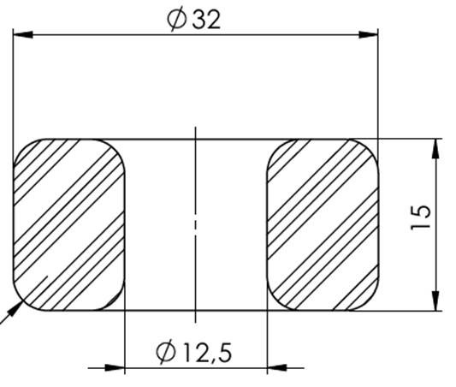
Available | Model
Travel | 60 | 70 | 80 | 61 | 71 | 81
0 | 0 | 0 | 0 | 0 | 0 | 0
1 | 248 | 389 | 497 | 163 | 223 | 309
2 | 490 | 680 | 920 | 311 | 430 | 582
3 | 771 | 990 | 1423 | 484 | 651 | 892
4 | 1122 | 1382 | 2065 | 691 | 919 | 1304
5 | 1597 | 1959 | 2963 | 961 | 1297 | 1924
6 | 2320 | 2987 | 4409 | 1354 | 1939 | 3025
7 | 3672 | 5046 | 7133 | 1967 | 3295 | 5309

Bump-stops
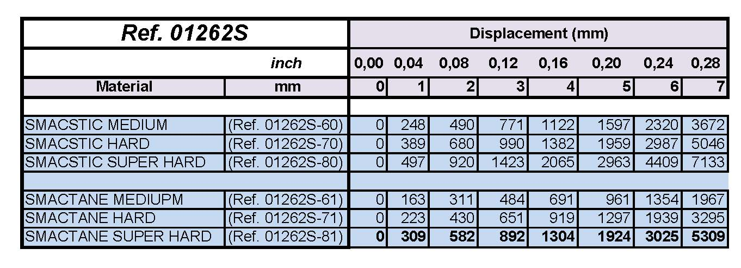
 |  |  |  |  |  |  | REAR | Static gap [mm]
 |  |  |  |  |  |  | Setup RH | 25 | 26 | 27 | 28 | 29 | 30 | 31 | 32 | 33 | 34 | 35

07_Brakes
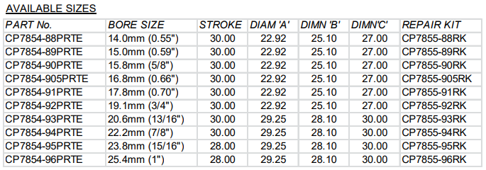
Mechanical balance | Pressure balance |  | Brake system model
55% | 53.0%
56% | 54.0% |  | Compliance model - Input |  |  |  |  | Braking condition - Input
57% | 55.0% |  | Front system compliance (CP6160-2/3S7MPD) | 25.00 | mm^3/bar |  |  | Total Fx | 37800 | 3.5g @250km/h 37000N
58% | 56.1% |  | Rear system compliance (CP6078) | 22.50 | mm^3/bar |  |  | Mech. Brake Balance | 0.620
59% | 57.1% |  | Front rigid brake pipe | 1.22 | m
60% | 58.1% |  | Front flexi brake pipe | 1 | m |  |  |  | Front | Rear
61% | 59.1% |  | Rear rigid brake pipe | 3.69 | m |  |  | Fx | 23436 | 14364
62% | 60.1% |  | Rear flexi brake pipe | 1.51 | m |  |  | Wheel radius | 0.346 | 0.346 | m
63% | 61.1% |  | Rigid brake pipe compliance | 0 | mm^3/bar per length |  |  | Torque (per side) | 4054 | 2485 | Nm
64% | 62.1% |  | Flexible brake pipe compliance | 0 | mm^3/bar per length |  |  | Disc eff. Radius | 0.1635 | 0.151 | m
65% | 63.2% |  | Front master cylinder diam. | 16.8 | mm | 222 | mm^2 | Disc tangential force (Ft) | 24798 | 16457 | N
 |  |  | Rear master cylinder diam. | 20.6 | mm | 333 | mm^2 | Pad mu | 0.5 | 0.5
M. cyl options | Front: 16.8 mm, options 15.8, 17.8 mm |  | Front line pressure | 99 | bar |  |  | Disc normal force (Fn) | 49595 | 32914 |  |  | Calipers
+- 1 size | Rear: 17.8 mm, options 16.8, 19.1, 20.6 mm |  | Rear line pressure | 66 | bar |  |  | Piston area (per caliper side) | 2.50E-03 | 2.50E-03 | m2 | Balance | 2.50E-03
 |  |  |  |  |  |  |  | Line pressure | 99 | 66 | bar | 0.601 | 1.89E-03
Blanking options
Front |  |  | Front Caliper piston area | 2.50E+03 | mm^2 |  |  | Master cylinder diam. | 16.8 | 20.6 | mm
Option | Inlet area | Blanking | Rear Caliper piston area | 2.50E+03 | mm^2 |  |  | Master cylinder area | 2.22E-04 | 3.33E-04 | m2
A | 100% | 0% |  |  |  |  |  | Master cylinder force | 2194 | 2189 | N
B | 80% | 20% | Compliance model - Output
C | 70% | 30% |  |  |  |  |  | Balance bar ratio | 0.501 |  | - |  | 1282
D | 60% | 40% | Front oil volume | 4952 | mm^3 |  |  | Pedal ratio | 3.6 |  | - |  | 1124
E | 50% | 50% | Rear oil volume | 2957 | mm^3 |  |  | Pedal force | 1218 |  | N |  | -12.3%
F | 40% | 60%
G | 30% | 70% | Front master cylinder travel | 22.3 | mm | Delta | 13.5 |  | 1124
 |  |  | Rear master cylinder travel | 8.9 | mm
Rear
Option | Inlet area | Blanking | Average travel | 15.6 | mm
A | 100% | 0%
B | 80% | 20% | Pedal travel | 56.2 | mm
C | 70% | 30%
D | 60% | 40% |  |  |  |  |  | Brake paint
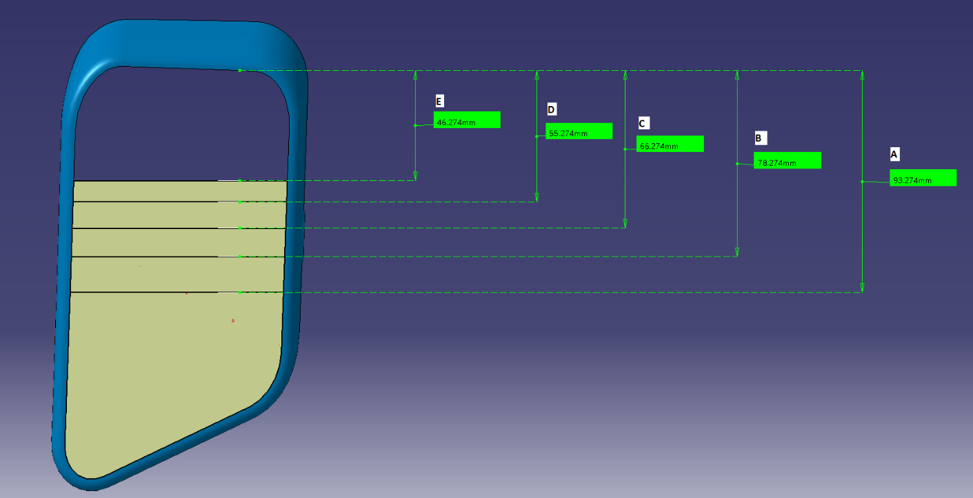
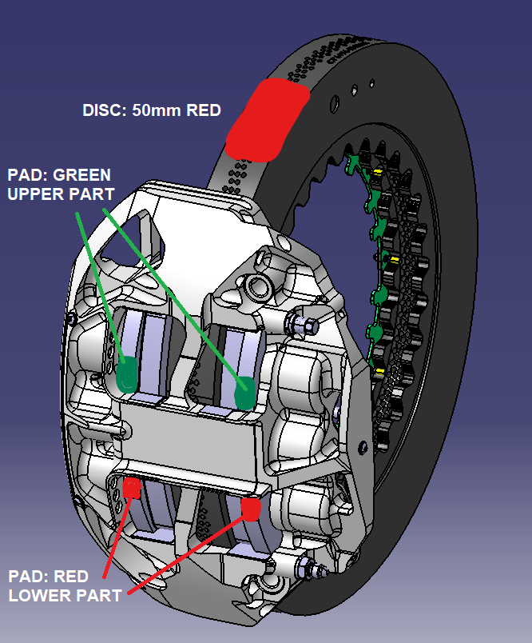
E | 50% | 50%
F | 40% | 60%

08_Gearbox
RPM vs Speed [km/h]
Ratio tables and vehicle speed |  |  |  |  |  |  |  |  |  |  |  | Add: | Opt 1 - Long |  | Opt 2 - Short
 |  |  |  |  |  |  |  |  |  |  |  | - Gearbox identification numbers | Speed | RPM | Speed | RPM
 | RPM | 7500 |  | Bevel set |  | Differential |  | Bevel set |  | Differential |  |  | 0 | 0 | 0 | 5
 | Rolling radius | 0.348 |  | 23 | 21 | 13 | 43 | 23 | 21 | 13 | 43 |  | 114 | 7500 | 114 | 7500
 |  |  |  |  |  |  |  |  |  |  |  |  | 114 | 5797 | 114 | 5798
 |  |  |  |  | Total final ratio |  | 3.020 |  | Total final ratio |  | 3.020 |  | 148 | 7500 | 148 | 7500
 |  |  |  |  |  |  | 0.33111849391 |  |  |  |  |  | 148 | 6136 | 148 | 6136
 |  |  |  |  |  |  |  |  |  |  |  |  | 181 | 7500 | 181 | 7500
Gear | Opt 1 - Long | Opt 2 - Short |  | Opt 1 - Long | drop to | drop | speed up | Opt 2 - Short | drop to | drop | speed up |  | 181 | 6140 | 181 | 6371
1 | 2.846 | 2.846 | 0.351 | 114 |  |  |  | 114 |  |  |  |  | 221 | 7500 | 213 | 7500
2 | 2.200 | 2.200 | 0.455 | 148 | 5797 | 1703 | 33.6 | 148 | 5798 | 1702 | 33.6 |  | 221 | 6301 | 213 | 6455
3 | 1.800 | 1.800 | 0.556 | 181 | 6136 | 1364 | 32.9 | 181 | 6136 | 1364 | 32.9 |  | 263 | 7500 | 247 | 7500
4 | 1.474 | 1.529 | 0.654 | 221 | 6140 | 1360 | 40.1 | 213 | 6371 | 1129 | 32.1 |  | 263 | 6584 | 247 | 6554
5 | 1.238 | 1.316 | 0.760 | 263 | 6301 | 1199 | 42.0 | 247 | 6455 | 1045 | 34.5 |  | 300 | 7500 | 283 | 7500
6 | 1.087 | 1.150 | 0.870 | 300 | 6584 | 916 | 36.6 | 283 | 6554 | 946 | 35.7 |  | 300 | 6613 | 283 | 6522
7 | 0.958 | 1 | 1.000 | 340 | 6613 | 887 | 40.2 | 326 | 6522 | 978 | 42.5 |  | 340 | 7500 | 326 | 7500
Speed vs Gear
 | opt 1 | opt 2
1 | 114.41328832 | 114.41947315
2 | 148.01719118 | 148.01719118
3 | 180.90990033 | 180.90990033
4 | 220.96852112 | 212.9743758
5 | 263.01516279 | 247.44515243
6 | 299.58679495 | 283.16332226
7 | 339.79598671 | 325.6378206
Drop To vs Gear
 | opt 1 | opt 2
1
2 | 5797.2972973 | 5797.6106817
3 | 6136.3636364 | 6136.3636364
4 | 6140.3508772 | 6370.8333333
5 | 6301.0204082 | 6455.1994768
6 | 6584.4481605 | 6553.9513678
7 | 6612.5 | 6521.7391304
Drop vs Gear
 | opt 1 | opt 2
1
2 | 1702.7027027 | 1702.3893183
3 | 1363.6363636 | 1363.6363636
4 | 1359.6491228 | 1129.1666667
5 | 1198.9795918 | 1044.8005232
6 | 915.55183946 | 946.04863222
7 | 887.5 | 978.26086957

 | Canopy_Long | Canopy_Short
 | 0.3514 | 0.3514
 | 0.4545 | 0.4545
 | 0.5556 | 0.5556
 | 0.6786 | 0.6540
 | 0.8077 | 0.7599
 | 0.9200 | 0.8696
 | 1.0435 | 1.0000

09_Differential
Ramp options (Available)
12% | 36% | 36% | 12%
8% | 24% | 24% | 8%
21% | 36% | 36% | 21%
14% | 24% | 24% | 14%
30% | 42% | 42% | 30%
20% | 28% | 28% | 20%
Differential ramps |  |  |  |  |  |  |  |  |  |  |  |  |  |  |  |  |  |  |  | Constant | 0.055 | = Rdisc/Rramp * mu
 |  |  |  |  |  |  |  |  |  |  | Xtrac options (green in stock) |  |  |  |  |  |  |  |  | N° FF | 12
Option # | Drive | Coast | Faces | Drive % | Coast % | Drive G | Coast G
1 | 60 | 30 | 12 | 12% | 36% | 0.39 | 1.19 |  |  |  |  |  |  |  | Baseline: | 5 |  |  | Angle | Xtrac | Estimate | Ratio to 25deg
2 | 60 | 30 | 8 | 8% | 24% | 0.26 | 0.79 |  |  |  |  |  |  |  | Ramp | 45/30 |  |  | 60 | 0.39 | 0.38
3 |  |  |  |  |  |  |  |  |  |  |  |  |  |  |  |  |  |  | 45 | 0.7 | 0.66
4 |  |  |  |  |  |  |  |  |  |  |  |  |  |  | Buy for testing |  |  |  | 30 | 1.19 | 1.14
5 | 45 | 30 | 12 | 21% | 36% | 0.70 | 1.19 | Build spec |  |  |  |  |  |  |  | 60/30 |  |  | 25 | 1.38 | 1.42
6 | 45 | 30 | 8 | 14% | 24% | 0.46 | 0.79 |  |  |  |  |  |  |  |  | 35/25 |  |  | 13 |  | 2.86 | 202%
7 |  |  |  |  |  |  |  |  |  |  |  |  |  |  |  |  |  |  | 9 |  | 4.17 | 294%
8
9
10
11 |  |  |  |  |  |  |  |  |  |  |  |  |  |  | Map for Canopy
12 |  |  |  |  |  |  |  |  |  |  |  |  |  |  | Output diff torque | Delta speed
13 | 35 | 25 | 12 | 30% | 42% | 1.00 | 1.38 |  |  |  |  |  |  |  |  | nFinalDrive
14 | 35 | 25 | 8 | 20% | 28% | 0.66 | 0.91 |  |  |  |  |  |  |  |  | rad/s | -30 | -1 | 0 | 1 | 30
 |  |  |  |  |  |  |  |  |  |  |  |  |  |  | MDiffDemandR | -10000 | 3850 | 3651 | 3600 | 3651 | 3850
Specular options |  |  |  |  |  |  |  |  |  |  |  |  |  |  | Nm | -100 | 286 | 87 | 36 | 87 | 286
15 | 30 | 60 | 12 | 36% | 12% | 1.19 | 0.39 |  |  |  |  |  |  |  |  | 0 | 250 | 51 | 0 | 51 | 250
16 | 30 | 60 | 8 | 24% | 8% | 0.79 | 0.26 |  |  |  |  |  |  |  |  | 100 | 271 | 72 | 21 | 72 | 271
17 |  |  |  |  |  |  |  |  |  |  |  |  |  |  |  | 10000 | 2350 | 2151 | 2100 | 2151 | 2350
18
60 | 0.39 | 0.38
45 | 0.7 | 0.66
30 | 1.19 | 1.14
25 | 1.38 | 1.42
13 |  | 2.86
9 |  | 4.17
19 | 30 | 45 | 12 | 36% | 21% | 1.19 | 0.7 |  |  |  |  |  |  |  | -10000 | -30 |  | 3863 | 3647 | 3600 | 3647 | 3863 299 | 83 | 36 |  | 83 | 299 263 | 47 | 0 | 47 | 263 284 | 68 | 21 | 68 | 284 2363 | 2147 | 2100 | 2147 | 2363
20 | 30 | 45 | 8 | 24% | 14% | 0.79 | 0.46 |  |  |  |  |  |  |  | -10000 | -1
21 |  |  |  |  |  |  |  |  |  |  |  |  |  |  | -10000 | 0
22 |  |  |  |  |  |  |  |  |  |  |  |  |  |  | -10000 | 1
23 |  |  |  |  |  |  |  |  |  |  |  |  |  |  | -10000 | 30
24 |  |  |  |  |  |  |  |  |  |  |  |  |  |  | -100 | -30
25 |  |  |  |  |  |  |  |  |  |  |  |  |  |  | -100 | -1
26 |  |  |  |  |  |  |  |  |  |  |  |  |  |  | -100 | 0
27 | 25 | 35 | 12 | 42% | 30% | 1.38 | 1.00 |  |  |  |  |  |  |  | -100 | 1
28 | 25 | 35 | 8 | 28% | 20% | 0.91 | 0.66 |  |  |  |  |  |  |  | -100 | 30
 |  |  |  |  |  |  |  |  |  |  |  |  |  |  | 0 | -30
Diff. ratio | 3.308 |  |  |  |  |  |  |  |  |  |  |  |  |  | 0 | -1
 |  |  |  |  |  |  |  |  |  |  |  |  |  |  | 0 | 0
 |  |  |  |  |  |  |  |  |  |  |  |  |  |  | 0 | 1
 |  |  |  |  |  |  |  |  |  |  |  |  |  |  | 0 | 30
 |  |  |  |  |  |  |  |  |  |  |  |  |  |  | 100 | -30
 |  |  |  |  |  |  |  |  |  |  |  |  |  |  | 100 | -1
 |  |  |  |  |  |  |  |  |  |  |  |  |  |  | 100 | 0
 |  |  |  |  |  |  |  |  |  |  |  |  |  |  | 100 | 1
Viscous coupling |  |  |  |  |  |  |  |  |  |  |  |  |  |  | 100 | 30
 |  |  |  |  |  |  |  |  |  |  |  |  |  |  | 10000 | -30
Viscous Coupling Characteristic
Setup value | 110 | Nm @ 50rpm |  | roll. rad. | 0.348 |  |  |  |  |  |  |  |  |  | 10000 | -1
 |  |  |  |  |  |  |  |  |  |  |  |  |  |  | 10000 | 0
RPM | deg/s | rad/s | % of ref. | Nm | km/h |  |  |  |  |  |  |  |  |  | 10000 | 1
0 | 0 | 0.000 | 0.00 | 0 | 0.00 |  |  |  |  |  |  |  |  |  | 10000 | 30
10 | 60 | 1.047 | 0.44 | 49 | 1.31
20 | 120 | 2.093 | 0.62 | 69 | 2.62
30 | 180 | 3.140 | 0.77 | 85 | 3.93
40 | 240 | 4.187 | 0.89 | 98 | 5.25
50 | 300 | 5.233 | 1.00 | 110 | 6.56

RPM fit coefficients
c | 47.496
b | 0.5064
 |  |  |  |  |  |  |  |  | Per tesi (Con Coeff. Di ignoranza)

Viscous Coupling Characteristic
 |  |  |  |  |  |  |  |  | Setup value | 110 | Nm @ 50rpm |  | roll. rad. | 0.348 |  |  |  |  |  |  |  |  |  | Output diff torque
Ramps |  |  |  |  |  |  |  |  |  |  |  |  |  |  |  |  |  |  |  |  |  |  |  |  |  | Delta speed
Output trq [Nm] | Delta trq [Nm] |  |  |  |  |  |  |  | RPM | deg/s | rad/s | % of ref. | Nm | km/h |  |  |  |  |  |  |  |  |  |  |  |  | nFinalDrive [rad/s]
-10000 | -3597 |  |  |  |  |  |  |  | 0 | 0 | 0.000 | 0.00 | 0 | 0.00 |  |  |  |  |  |  |  |  |  | MDiffDemandR [Nm] |  |  | -30 | -20 | -1 | 0 | 1 | 20 | 30
-100 | 0 |  |  |  |  |  |  |  | 10 | 60 | 1.047 | 0.47 | 52 | 1.31 |  |  |  |  |  |  |  |  |  | Nm | Coast | -10000 | 4263 | 4215 | 4047 | 4000 | 4047 | 4215 | 4263
0 | 0 |  |  |  |  |  |  |  | 20 | 120 | 2.093 | 0.65 | 72 | 2.62 |  |  |  |  |  |  |  |  |  |  |  | -6000 | 2663 | 2615 | 2447 | 2400 | 2447 | 2615 | 2663
100 | 0 |  |  |  |  |  |  |  | 30 | 180 | 3.140 | 0.79 | 87 | 3.93 |  |  |  |  |  |  |  |  |  |  |  | -1500 | 863 | 815 | 647 | 600 | 647 | 815 | 863
10000 | 2116 |  |  |  |  |  |  |  | 40 | 240 | 4.187 | 0.90 | 99 | 5.25 |  |  |  |  |  |  |  |  |  |  |  | -100 | 303 | 255 | 87 | 40 | 87 | 255 | 303
 |  |  |  |  |  |  |  |  | 50 | 300 | 5.233 | 1.00 | 110 | 6.56 |  |  |  |  |  |  |  |  |  |  |  | 0 | 263 | 215 | 47 | 0 | 47 | 215 | 263
 |  |  |  |  |  |  |  |  |  |  |  |  |  |  |  |  |  |  |  |  |  |  |  |  | Drive | 100 | 293 | 245 | 77 | 30 | 77 | 245 | 293
 |  |  |  |  |  |  |  |  | RPM fit coefficients |  |  |  |  |  |  |  |  |  |  |  |  |  |  |  |  | 1500 | 713 | 665 | 497 | 450 | 497 | 665 | 713
 |  |  |  |  |  |  |  |  | c | 50.613 |  |  |  |  |  |  |  |  |  |  |  |  |  |  |  | 6000 | 2063 | 2015 | 1847 | 1800 | 1847 | 2015 | 2063
 |  |  |  |  |  |  |  |  | b | 0.4694 |  |  |  |  |  |  |  |  |  |  |  |  |  |  |  | 10000 | 3263 | 3215 | 3047 | 3000 | 3047 | 3215 | 3263

10_Engine
Available engines |  |  |  |  |  | Maximum tank capacity
ID | km | Last event - date | Last event | Description |  | 127.2 litres

Torque [Nm]

Power curve
Nmax | 7500 | rpm | Air temperature [degC] | 20
BoP power | 0 | kW (+-20 kW max) | Air pressure [mbar] | 1010
 |  |  | Air humidity [%] | 50
 |  |  | Ambient power scaling factor | 0.986

Total power scaling |  | 0.986

N/Nmax | N [rpm] | Ref. Power [kW] | Ref. Torque [Nm] | Scaled Power [kW] | Scaled Torque [Nm]
0.550 | 4125 | 246 | 570 | 243 | 562
0.575 | 4313 | 269 | 596 | 265 | 588
0.600 | 4500 | 289 | 614 | 285 | 605
Power [kW]
0.625 | 4688 | 309 | 630 | 305 | 621
0.650 | 4875 | 330 | 647 | 326 | 638
0.675 | 5063 | 351 | 662 | 346 | 653
0.700 | 5250 | 372 | 677 | 367 | 668
0.725 | 5438 | 393 | 691 | 388 | 681
0.750 | 5625 | 413 | 701 | 407 | 692
0.775 | 5813 | 432 | 710 | 426 | 700
0.800 | 6000 | 449 | 715 | 443 | 705
0.825 | 6188 | 464 | 716 | 458 | 707
0.850 | 6375 | 475 | 712 | 469 | 702
0.875 | 6563 | 485 | 706 | 478 | 697
0.900 | 6750 | 492 | 696 | 485 | 687
0.925 | 6938 | 497 | 684 | 490 | 675
0.950 | 7125 | 500 | 670 | 493 | 661
0.975 | 7313 | 498 | 651 | 491 | 642
1.000 | 7500 | 495 | 631 | 488 | 622
1.025 | 7687 | 427 | 531 | 421 | 524

12_Kinematics
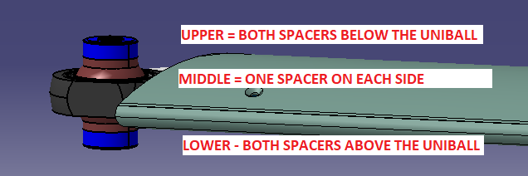
 | Front |  |  |  |  |  |  | FRH
 | Option | LCA front | LCA rear | RCH | AD
 | # | mm | mm | mm | % |  |  | Distance | RH
 | 1 | 0 | 0 | 53 | 82
 | 2 | -5 | 0 | 41 | 96
 | 3 | 5 | 0 | 64 | 67
 | 4 | 0 | 5 | 66 | 96
 | 5 | 0 | -5 | 40 | 67
 | 6 | 5 | 5 | 77 | 82
 | 7 | 5 | -5 | 51 | 53
 | 8 | -5 | -5 | 28 | 81
X | 9 | -5 | 5 | 54 | 110

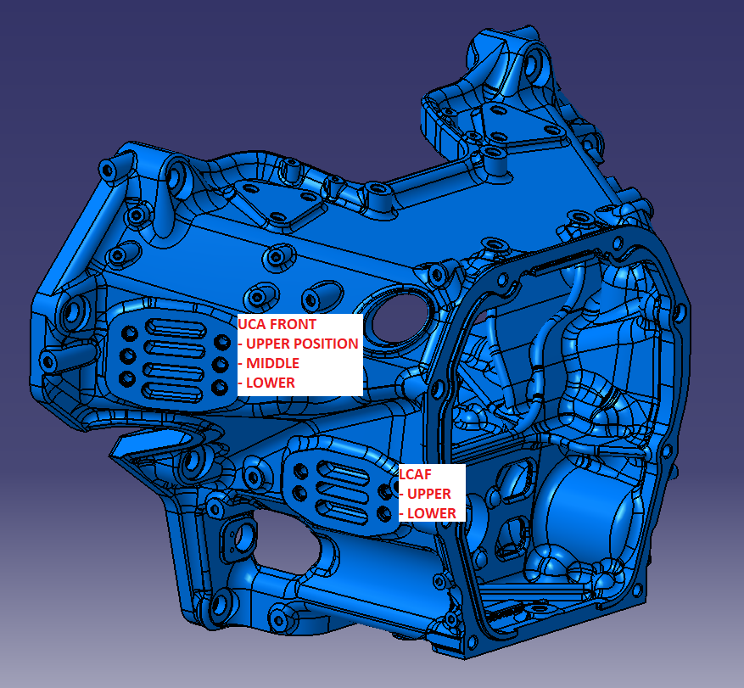
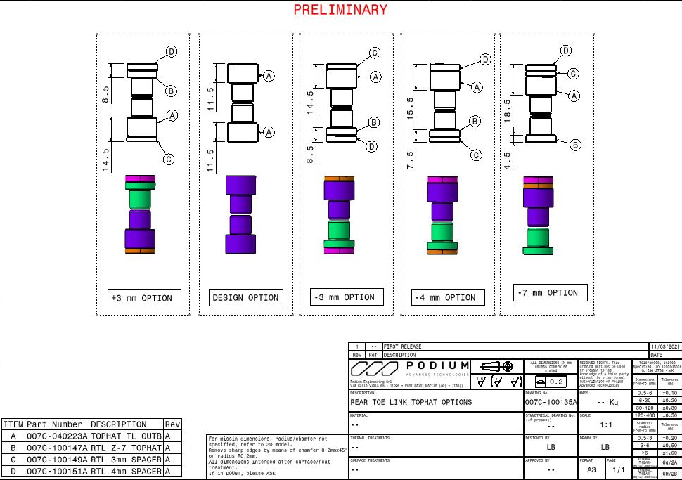
 | Rear
 | Option | UCA front | LCA front | RCH | AS | AL | Tie Outer Fix
 | # | mm | mm | mm | % | % | mm
 | 1 | 0 | 0 | 102 | 16 | 40
 | 2 | 0 | 20 | 114 | 26 | 71 | -3
 | 3 | -20 | 0 | 95 | -20 | 60 | -4
X | 4 | -20 | 20 | 108 | -11 | 90 | -7
 | 5 | 20 | 0 | 109 | 52 | 20 | 3
 | 6 | 20 | 20 | 121 | 61 | 51 | 0

 | > Any option for toe-in at rear in droop?
 | > Any option for toe-out at front in bump?

08b_Gearbox_Long-Proposal
Ratio tables and vehicle speed |  |  |  |  |  |  |  |  |  |  | Add:
 |  |  |  |  |  |  |  |  |  |  | - Gearbox identification numbers
 | RPM | 7500 | Bevel set |  | Differential |  | Bevel set |  | Differential
 | Rolling radius | 0.348 | 23 | 21 | 13 | 43 | 23 | 21 | 13 | 43

 |  |  |  | Total final ratio |  | 3.020 |  | Total final ratio |  | 3.020

Gear | Opt 1 - Long | Opt 1 - Prop | Opt 1 - Long | drop to | drop | speed up | Opt 1 - Prop | drop to | drop | speed up
1 | 2.846 | 2.643 | 114 |  |  |  | 123
2 | 2.200 | 2.063 | 148 | 5797 | 1703 | 33.6 | 158 | 5853 | 1647 | 34.7
3 | 1.800 | 1.650 | 181 | 6136 | 1364 | 32.9 | 197 | 6000 | 1500 | 39.5
4 | 1.474 | 1.364 | 221 | 6140 | 1360 | 40.1 | 239 | 6198 | 1302 | 41.4
5 | 1.238 | 1.208 | 263 | 6301 | 1199 | 42.0 | 269 | 6646 | 854 | 30.7
6 | 1.091 | 1.071 | 298 | 6609 | 891 | 35.5 | 304 | 6650 | 850 | 34.4
7 | 0.960 | 0.960 | 339 | 6599 | 901 | 40.7 | 339 | 6720 | 780 | 35.3
Speed vs Gear
Drop To vs Gear
 | Opt 1 - Long | Opt 1 - Prop
1
2 | 5797 | 5853
3 | 6136 | 6000
4 | 6140 | 6198
5 | 6301 | 6646
6 | 6609 | 6650
7 | 6599 | 6720
Drop vs Gear
 | Opt 1 - Long | Opt 1 - Prop
1
2 | 1703 | 1647
3 | 1364 | 1500
4 | 1360 | 1302
5 | 1199 | 854
6 | 891 | 850
7 | 901 | 780

LoadCell
 | Scales |  |  |  | Loadcells |  |  |  | 2021-04-03
# | FL | FR | RL | RR | FL | FR | RL | RR | Track +3mm per side front and rear
1 | 0 | 0 | 0 | 0 | -730 | -795 | -1430 | -1300 | Full fuel tank
2 | 53 | 85 | 79 | 51.5 | 20 | 280 | 240 | -130 | Slow airjack air release
3 | 79.5 | 119 | 116 | 79 | 200 | 760 | 1010 | 330
4 | 107 | 153.5 | 161 | 116 | 630 | 1295 | 2000 | 1240 | Tot weight | 1158.5 | kg | *pc was leaning on the car, no driver
5 | 138 | 186.5 | 199 | 156 | 1070 | 1760 | 2870 | 2110 | Weight dis | 43.8%
6 | 164 | 214.5 | 233.5 | 190 | 1460 | 2160 | 3640 | 2870
7 | 203 | 256 | 285.5 | 242 | 2030 | 2750 | 4800 | 4050
Loadcell vs Scale
 | FL |  | FR |  | RL |  | RR
0 | -730 | 0 | -795 | 0 | -1430 | 0 | -1300
53 | 20 | 85 | 280 | 79 | 240 | 51.5 | -130
79.5 | 200 | 119 | 760 | 116 | 1010 | 79 | 330
107 | 630 | 153.5 | 1295 | 161 | 2000 | 116 | 1240
138 | 1070 | 186.5 | 1760 | 199 | 2870 | 156 | 2110
164 | 1460 | 214.5 | 2160 | 233.5 | 3640 | 190 | 2870
203 | 2030 | 256 | 2750 | 285.5 | 4800 | 242 | 4050
228 | 2400 | 279 | 3085 | 347.5 | 6320 | 304 | 5480
8 | 228 | 279 | 347.5 | 304 | 2400 | 3085 | 6320 | 5480

 | Fit Ground [N] / Pushrod [N] |  |  |  | Average axle
 | m | q |  |  | m | q
FL | 0.71137099328 | 562.96479594 |  |  | 0.7043 | 582 | N
FR | 0.69726849158 | 601.69842345
RL | 0.44058692194 | 671.93742103 |  |  | 0.4403 | 631 | N
RR | 0.43998594694 | 590.36135966

 | 3861.44
 | 4973.67 | 1112 |  |  | -52.387359837 | -57.051987768 | -64.138634047 | -58.307849134

 | 5192
 | 6391 | 1199

TC_DRY
 |  |  |  | 21T03 |  | 21T03b_1 |  | FP2-1 | FP2-2
Offset | 0 |  |  | 4 |  | 0 |  | 0 | 0
Minimum slip | 2 |  |  | 5 |  | 2 |  | 2 | 2
Slip vs Fz
Slip vs Fy
Maximum slip | 10 |  |  | 20 |  | 20 |  | 10 | 10
Gain Fz | 1 |  |  | 1 |  | 1 |  | 1 | 1
Gain Fy | 2 |  |  | 1 |  | 1 |  | 1.5 | 2
Min slip 2 | 4 |  |  |  |  |  |  | 3 | 4

Base map (DRY) | Fy
Fz | 0 | 1000 | 2000 | 3000 | 4000 | 5000 | 6000 | 7000 | 8000 | 9000 | 10000 | 11000 | 12000 | 13000 | 14000 | 15000
0 | 0.0 | 0.0 | 0.0 | 0.0 | 0.0 | 0.0 | 0.0 | 0.0 | 0.0 | 0.0 | 0.0 | 0.0 | 0.0 | 0.0 | 0.0 | 0.0
2000 | 10.0 | 8.5 | 7.0 | 5.0 | 3.0 | 1.0 | 0.0 | 0.0 | 0.0 | 0.0 | 0.0 | 0.0 | 0.0 | 0.0 | 0.0 | 0.0
4000 | 10.0 | 10.0 | 9.5 | 8.5 | 7.5 | 5.5 | 3.5 | 2.0 | 1.0 | 0.0 | 0.0 | 0.0 | 0.0 | 0.0 | 0.0 | 0.0
6000 | 8.5 | 8.5 | 8.5 | 8.5 | 8.0 | 7.5 | 6.5 | 5.0 | 3.5 | 2.5 | 1.5 | 0.5 | 0.0 | 0.0 | 0.0 | 0.0
8000 | 7.5 | 7.5 | 7.5 | 7.0 | 7.0 | 6.5 | 6.5 | 6.0 | 5.5 | 4.5 | 3.5 | 2.5 | 1.5 | 0.5 | 0.0 | 0.0
10000 | 6.0 | 6.0 | 6.0 | 6.0 | 6.0 | 5.5 | 5.5 | 5.5 | 5.5 | 5.0 | 4.5 | 4.0 | 3.0 | 2.0 | 1.5 | 1.0

Slip vs Fz
Slip vs Fy
Compesated (DRY) | Fy
Fz | 0 | 1000 | 2000 | 3000 | 4000 | 5000 | 6000 | 7000 | 8000 | 9000 | 10000 | 11000 | 12000 | 13000 | 14000 | 15000
0 | 4.0 | 4.0 | 4.0 | 4.0 | 4.0 | 4.0 | 4.0 | 4.0 | 4.0 | 4.0 | 4.0 | 4.0 | 4.0 | 4.0 | 4.0 | 4.0
2000 | 10.0 | 9.1 | 7.9 | 6.0 | 4.0 | 4.0 | 4.0 | 4.0 | 4.0 | 4.0 | 4.0 | 4.0 | 4.0 | 4.0 | 4.0 | 4.0
4000 | 10.0 | 10.0 | 10.0 | 10.0 | 9.5 | 7.3 | 4.9 | 4.0 | 4.0 | 4.0 | 4.0 | 4.0 | 4.0 | 4.0 | 4.0 | 4.0
6000 | 8.5 | 9.1 | 9.6 | 10.0 | 10.0 | 10.0 | 9.1 | 7.3 | 5.4 | 4.0 | 4.0 | 4.0 | 4.0 | 4.0 | 4.0 | 4.0
8000 | 7.5 | 8.0 | 8.5 | 8.4 | 8.9 | 8.7 | 9.1 | 8.8 | 8.4 | 7.2 | 5.8 | 4.3 | 4.0 | 4.0 | 4.0 | 4.0
10000 | 6.0 | 6.4 | 6.8 | 7.2 | 7.6 | 7.3 | 7.7 | 8.1 | 8.4 | 8.0 | 7.5 | 6.9 | 5.4 | 4.0 | 4.0 | 4.0

TC_DRY (2)
 |  |  |  | 21T03 |  | 21T03b_1
Offset | 0 |  |  | 4 |  | 0
Minimum slip | 2 |  |  | 5 |  | 2
Slip vs Fz
Slip vs Fy
Maximum slip | 20 |  |  | 20 |  | 20
Gain Fz | 1 |  |  | 1 |  | 1
Gain Fy | 1 |  |  | 1 |  | 1

Base map (DRY) | Fy
Fz | 0 | 1000 | 2000 | 3000 | 4000 | 5000 | 6000 | 7000 | 8000 | 9000 | 10000 | 11000 | 12000 | 13000 | 14000 | 15000
0 | 0.0 | 0.0 | 0.0 | 0.0 | 0.0 | 0.0 | 0.0 | 0.0 | 0.0 | 0.0 | 0.0 | 0.0 | 0.0 | 0.0 | 0.0 | 0.0
2000 | 10.0 | 8.5 | 7.0 | 5.0 | 3.0 | 1.0 | 0.0 | 0.0 | 0.0 | 0.0 | 0.0 | 0.0 | 0.0 | 0.0 | 0.0 | 0.0
4000 | 10.0 | 10.0 | 9.5 | 8.5 | 7.5 | 5.5 | 3.5 | 2.0 | 1.0 | 0.0 | 0.0 | 0.0 | 0.0 | 0.0 | 0.0 | 0.0
6000 | 8.5 | 8.5 | 8.5 | 8.5 | 8.0 | 7.5 | 6.5 | 5.0 | 3.5 | 2.5 | 1.5 | 0.5 | 0.0 | 0.0 | 0.0 | 0.0
8000 | 7.5 | 7.5 | 7.5 | 7.0 | 7.0 | 6.5 | 6.5 | 6.0 | 5.5 | 4.5 | 3.5 | 2.5 | 1.5 | 0.5 | 0.0 | 0.0
10000 | 6.0 | 6.0 | 6.0 | 6.0 | 6.0 | 5.5 | 5.5 | 5.5 | 5.5 | 5.0 | 4.5 | 4.0 | 3.0 | 2.0 | 1.5 | 1.0

Slip vs Fz
Slip vs Fy
Compesated (DRY) | Fy
Fz | 0 | 1000 | 2000 | 3000 | 4000 | 5000 | 6000 | 7000 | 8000 | 9000 | 10000 | 11000 | 12000 | 13000 | 14000 | 15000
0 | 2.0 | 2.0 | 2.0 | 2.0 | 2.0 | 2.0 | 2.0 | 2.0 | 2.0 | 2.0 | 2.0 | 2.0 | 2.0 | 2.0 | 2.0 | 2.0
2000 | 10.0 | 8.5 | 7.0 | 5.0 | 3.0 | 2.0 | 2.0 | 2.0 | 2.0 | 2.0 | 2.0 | 2.0 | 2.0 | 2.0 | 2.0 | 2.0
4000 | 10.0 | 10.0 | 9.5 | 8.5 | 7.5 | 5.5 | 3.5 | 2.0 | 2.0 | 2.0 | 2.0 | 2.0 | 2.0 | 2.0 | 2.0 | 2.0
6000 | 8.5 | 8.5 | 8.5 | 8.5 | 8.0 | 7.5 | 6.5 | 5.0 | 3.5 | 2.5 | 2.0 | 2.0 | 2.0 | 2.0 | 2.0 | 2.0
8000 | 7.5 | 7.5 | 7.5 | 7.0 | 7.0 | 6.5 | 6.5 | 6.0 | 5.5 | 4.5 | 3.5 | 2.5 | 2.0 | 2.0 | 2.0 | 2.0
10000 | 6.0 | 6.0 | 6.0 | 6.0 | 6.0 | 5.5 | 5.5 | 5.5 | 5.5 | 5.0 | 4.5 | 4.0 | 3.0 | 2.0 | 2.0 | 2.0

TC_WET
 |  |  |  | 21T03 |  | 21T03b_1
Offset | 0 |  |  | 4 |  | 0
Minimum slip | 2 |  |  | 5 |  | 2
Slip vs Fz
Slip vs Fy
Maximum slip | 20 |  |  | 20 |  | 20
Gain Fz | 1 |  |  | 1 |  | 1
Gain Fy | 1 |  |  | 1 |  | 1

Base map (DRY) | Fy
Fz | 0 | 1000 | 2000 | 3000 | 4000 | 5000 | 6000 | 7000 | 8000 | 9000 | 10000 | 11000 | 12000 | 13000 | 14000 | 15000
0 | 0.0 | 0.0 | 0.0 | 0.0 | 0.0 | 0.0 | 0.0 | 0.0 | 0.0 | 0.0 | 0.0 | 0.0 | 0.0 | 0.0 | 0.0 | 0.0
2000 | 7.0 | 6.0 | 3.5 | 1.5 | 0.0 | 0.0 | 0.0 | 0.0 | 0.0 | 0.0 | 0.0 | 0.0 | 0.0 | 0.0 | 0.0 | 0.0
4000 | 7.0 | 6.5 | 6.5 | 5.0 | 3.0 | 1.0 | 0.0 | 0.0 | 0.0 | 0.0 | 0.0 | 0.0 | 0.0 | 0.0 | 0.0 | 0.0
6000 | 6.5 | 6.5 | 6.5 | 6.0 | 5.0 | 4.0 | 2.5 | 1.0 | 0.0 | 0.0 | 0.0 | 0.0 | 0.0 | 0.0 | 0.0 | 0.0
8000 | 5.5 | 5.5 | 5.5 | 5.5 | 5.5 | 5.0 | 4.5 | 3.0 | 1.5 | 0.5 | 0.0 | 0.0 | 0.0 | 0.0 | 0.0 | 0.0
10000 | 4.5 | 4.5 | 4.5 | 4.5 | 4.5 | 4.0 | 4.0 | 3.5 | 2.5 | 1.5 | 0.5 | 0.0 | 0.0 | 0.0 | 0.0 | 0.0

Slip vs Fz
Slip vs Fy
Compesated (DRY) | Fy
Fz | 0 | 1000 | 2000 | 3000 | 4000 | 5000 | 6000 | 7000 | 8000 | 9000 | 10000 | 11000 | 12000 | 13000 | 14000 | 15000
0 | 2.0 | 2.0 | 2.0 | 2.0 | 2.0 | 2.0 | 2.0 | 2.0 | 2.0 | 2.0 | 2.0 | 2.0 | 2.0 | 2.0 | 2.0 | 2.0
2000 | 7.0 | 6.0 | 3.5 | 2.0 | 2.0 | 2.0 | 2.0 | 2.0 | 2.0 | 2.0 | 2.0 | 2.0 | 2.0 | 2.0 | 2.0 | 2.0
4000 | 7.0 | 6.5 | 6.5 | 5.0 | 3.0 | 2.0 | 2.0 | 2.0 | 2.0 | 2.0 | 2.0 | 2.0 | 2.0 | 2.0 | 2.0 | 2.0
6000 | 6.5 | 6.5 | 6.5 | 6.0 | 5.0 | 4.0 | 2.5 | 2.0 | 2.0 | 2.0 | 2.0 | 2.0 | 2.0 | 2.0 | 2.0 | 2.0
8000 | 5.5 | 5.5 | 5.5 | 5.5 | 5.5 | 5.0 | 4.5 | 3.0 | 2.0 | 2.0 | 2.0 | 2.0 | 2.0 | 2.0 | 2.0 | 2.0
10000 | 4.5 | 4.5 | 4.5 | 4.5 | 4.5 | 4.0 | 4.0 | 3.5 | 2.5 | 2.0 | 2.0 | 2.0 | 2.0 | 2.0 | 2.0 | 2.0

